Summary
Summary

simulationClover.js:833 Sun Jan 10 2021 16:02:29 GMT-0800 (Pacific Standard Time)
simulationClover.js:834 CovidSIMVL Cloverdale U0+U8
simulationClover.js:4349 exit covidSim
simulationClover.js:23 getAsText File {name: "ltc50.csv", lastModified: 1610323270000, lastModifiedDate: Sun Jan 10 2021 16:01:10 GMT-0800 (Pacific Standard Time), webkitRelativePath: "", size: 3999, …}
simulationClover.js:32 File {name: "ltc50.csv", lastModified: 1610323270000, lastModifiedDate: Sun Jan 10 2021 16:01:10 GMT-0800 (Pacific Standard Time), webkitRelativePath: "", size: 3999, …}
simulationClover.js:23 getAsText File {name: "VL1.csv", lastModified: 1610305568000, lastModifiedDate: Sun Jan 10 2021 11:06:08 GMT-0800 (Pacific Standard Time), webkitRelativePath: "", size: 63, …}
simulationClover.js:32 File {name: "VL1.csv", lastModified: 1610305568000, lastModifiedDate: Sun Jan 10 2021 11:06:08 GMT-0800 (Pacific Standard Time), webkitRelativePath: "", size: 63, …}
simulationClover.js:1371 0 TURNED RED in U8 gen 1 TOTAL 0
simulationClover.js:1749 inflate universe index 3.5 in U0
simulationClover.js:1749 inflate universe index 3.5 in U1
simulationClover.js:1749 inflate universe index 3.5 in U8
simulationClover.js:2160 1I j:famKey 7:F07 infected by red i:famKey 0:-1 at gen 10 in Univ0 prob=0.200
simulationClover.js:2160 1I j:famKey 11:F11 infected by red i:famKey 0:-1 at gen 11 in Univ0 prob=0.360
simulationClover.js:2160 3I j:famKey 1:F01 infected by red i:famKey 0:-1 at gen 36 in Univ0 prob=0.635
simulationClover.js:2160 4I j:famKey 4:F04 infected by red i:famKey 0:-1 at gen 58 in Univ0 prob=0.618
simulationClover.js:2177 5I i:famKey 38:F11 infected by blue j:famKey 11:F11 at gen 94 in U8 prob=0.584
simulationClover.js:2177 6I i:famKey 6:F06 infected by blue j:famKey 7:F07 at gen 103 in U0 prob=0.322
simulationClover.js:2177 7I i:famKey 40:F11 infected by blue j:famKey 11:F11 at gen 113 in U8 prob=0.438
simulationClover.js:2177 8I i:famKey 5:F05 infected by blue j:famKey 11:F11 at gen 130 in U0 prob=0.848
simulationClover.js:1371 7 TURNED RED in U8 gen 131 TOTAL 1
simulationClover.js:2160 8I j:famKey 2:F02 infected by yellow i:famKey 5:F05 at gen 131 in Univ0 prob=0.365
simulationClover.js:1371 11 TURNED RED in U8 gen 132 TOTAL 2
simulationClover.js:1371 1 TURNED RED in U8 gen 161 TOTAL 3
simulationClover.js:1371 4 TURNED RED in U8 gen 177 TOTAL 3
simulationClover.js:2160 10I j:famKey 10:F10 infected by red i:famKey 1:F01 at gen 177 in Univ0 prob=0.091
simulationClover.js:2160 11I j:famKey 13:F13 infected by blue i:famKey 6:F06 at gen 181 in Univ0 prob=0.419
simulationClover.js:2160 11I j:famKey 19:F19 infected by blue i:famKey 6:F06 at gen 181 in Univ0 prob=0.262
simulationClover.js:2160 13I j:famKey 9:F09 infected by red i:famKey 7:F07 at gen 206 in Univ0 prob=0.618
simulationClover.js:1371 38 TURNED RED in U8 gen 208 TOTAL 4
simulationClover.js:1371 6 TURNED RED in U8 gen 221 TOTAL 5
simulationClover.js:2160 14I j:famKey 8:F08 infected by red i:famKey 6:F06 at gen 223 in Univ0 prob=0.860
simulationClover.js:2160 15I j:famKey 12:F12 infected by red i:famKey 6:F06 at gen 227 in Univ0 prob=0.986
simulationClover.js:2160 15I j:famKey 18:F18 infected by red i:famKey 1:F01 at gen 228 in Univ0 prob=0.118
simulationClover.js:2160 17I j:famKey 17:F17 infected by blue i:famKey 2:F02 at gen 232 in Univ0 prob=0.770
simulationClover.js:1371 40 TURNED RED in U8 gen 234 TOTAL 6
simulationClover.js:1371 2 TURNED RED in U8 gen 250 TOTAL 7
simulationClover.js:1371 5 TURNED RED in U8 gen 252 TOTAL 8
simulationClover.js:2160 18I j:famKey 14:F14 infected by red i:famKey 5:F05 at gen 252 in Univ0 prob=0.903
simulationClover.js:2177 19I i:famKey 27:F07 infected by red j:famKey 7:F07 at gen 262 in U8 prob=0.000
simulationClover.js:2177 20I i:famKey 35:F10 infected by blue j:famKey 10:F10 at gen 267 in U8 prob=0.401
simulationClover.js:2160 21I j:famKey 16:F16 infected by blue i:famKey 13:F13 at gen 279 in Univ0 prob=0.766
simulationClover.js:2177 22I i:famKey 33:F09 infected by blue j:famKey 9:F09 at gen 291 in U8 prob=0.519
simulationClover.js:2177 23I i:famKey 39:F11 infected by red j:famKey 40:F11 at gen 298 in U8 prob=0.973
simulationClover.js:1371 13 TURNED RED in U8 gen 300 TOTAL 9
simulationClover.js:1371 19 TURNED RED in U8 gen 300 TOTAL 9
simulationClover.js:1371 10 TURNED RED in U8 gen 301 TOTAL 11
simulationClover.js:2177 24I i:famKey 3:F03 infected by blue j:famKey 18:F18 at gen 302 in U0 prob=0.833
simulationClover.js:2177 25I i:famKey 25:F06 infected by red j:famKey 6:F06 at gen 312 in U8 prob=0.642
simulationClover.js:1371 9 TURNED RED in U8 gen 322 TOTAL 10
simulationClover.js:2177 26I i:famKey 24:F06 infected by red j:famKey 6:F06 at gen 327 in U8 prob=0.704
simulationClover.js:2177 27I i:famKey 29:F08 infected by blue j:famKey 8:F08 at gen 334 in U8 prob=0.685
simulationClover.js:2177 28I i:famKey 36:F10 infected by red j:famKey 10:F10 at gen 338 in U8 prob=0.870
simulationClover.js:2177 29I i:famKey 45:F13 infected by red j:famKey 13:F13 at gen 344 in U8 prob=0.076
simulationClover.js:1371 8 TURNED RED in U8 gen 345 TOTAL 10
simulationClover.js:2177 29I i:famKey 85:-1 infected by blue j:famKey 27:F07 at gen 345 in U1 prob=0.615
simulationClover.js:2177 29I i:famKey 100:-1 infected by blue j:famKey 27:F07 at gen 345 in U1 prob=0.559
simulationClover.js:2177 30I i:famKey 83:-1 infected by yellow j:famKey 85:-1 at gen 346 in U1 prob=0.478
simulationClover.js:1371 17 TURNED RED in U8 gen 347 TOTAL 11
simulationClover.js:2160 32I j:famKey 15:F15 infected by red i:famKey 5:F05 at gen 347 in Univ0 prob=0.553
simulationClover.js:2177 33I i:famKey 75:-1 infected by yellow j:famKey 100:-1 at gen 348 in U1 prob=0.449
simulationClover.js:2160 33I j:famKey 117:-1 infected by green i:famKey 75:-1 at gen 348 in Univ1 prob=0.811
simulationClover.js:2177 33I i:famKey 76:-1 infected by yellow j:famKey 100:-1 at gen 348 in U1 prob=0.524
simulationClover.js:1371 18 TURNED RED in U8 gen 349 TOTAL 11
simulationClover.js:2160 34I j:famKey 106:-1 infected by yellow i:famKey 100:-1 at gen 349 in Univ1 prob=0.218
simulationClover.js:2160 37I j:famKey 97:-1 infected by yellow i:famKey 75:-1 at gen 350 in Univ1 prob=0.667
simulationClover.js:2160 38I j:famKey 82:-1 infected by yellow i:famKey 75:-1 at gen 351 in Univ1 prob=0.312
simulationClover.js:1371 12 TURNED RED in U8 gen 352 TOTAL 12
simulationClover.js:2177 40I i:famKey 58:F17 infected by red j:famKey 17:F17 at gen 358 in U8 prob=0.428
simulationClover.js:2177 40I i:famKey 63:F19 infected by red j:famKey 19:F19 at gen 359 in U8 prob=0.606
simulationClover.js:2177 42I i:famKey 94:-1 infected by blue j:famKey 27:F07 at gen 370 in U1 prob=0.009
simulationClover.js:1371 14 TURNED RED in U8 gen 371 TOTAL 13
simulationClover.js:2177 42I i:famKey 81:-1 infected by yellow j:famKey 94:-1 at gen 371 in U1 prob=0.530
simulationClover.js:2177 44I i:famKey 37:F10 infected by red j:famKey 10:F10 at gen 376 in U8 prob=0.354
simulationClover.js:1371 27 TURNED RED in U8 gen 379 TOTAL 14
simulationClover.js:2177 45I i:famKey 32:F09 infected by red j:famKey 9:F09 at gen 380 in U8 prob=0.027
simulationClover.js:2177 46I i:famKey 23:F06 infected by red j:famKey 6:F06 at gen 383 in U8 prob=0.913
simulationClover.js:1371 35 TURNED RED in U1 gen 391 TOTAL 15
simulationClover.js:1371 16 TURNED RED in U8 gen 392 TOTAL 16
simulationClover.js:2177 47I i:famKey 96:-1 infected by blue j:famKey 100:-1 at gen 396 in U1 prob=0.941
simulationClover.js:2160 48I j:famKey 119:-1 infected by blue i:famKey 75:-1 at gen 399 in Univ1 prob=0.919
simulationClover.js:2177 48I i:famKey 21:F05 infected by red j:famKey 5:F05 at gen 399 in U8 prob=0.978
simulationClover.js:2160 50I j:famKey 115:-1 infected by blue i:famKey 97:-1 at gen 401 in Univ1 prob=0.578
simulationClover.js:2160 50I j:famKey 115:-1 infected by blue i:famKey 100:-1 at gen 401 in Univ1 prob=0.586
simulationClover.js:2177 50I i:famKey 70:-1 infected by blue j:famKey 75:-1 at gen 402 in U1 prob=0.684
simulationClover.js:2177 51I i:famKey 28:F07 infected by red j:famKey 27:F07 at gen 403 in U8 prob=0.199
simulationClover.js:2177 51I i:famKey 49:F14 infected by red j:famKey 14:F14 at gen 403 in U8 prob=0.594
simulationClover.js:2160 52I j:famKey 116:-1 infected by blue i:famKey 82:-1 at gen 404 in Univ1 prob=0.871
simulationClover.js:2160 52I j:famKey 93:-1 infected by blue i:famKey 85:-1 at gen 404 in Univ1 prob=0.606
simulationClover.js:2177 52I i:famKey 48:F14 infected by red j:famKey 14:F14 at gen 404 in U8 prob=0.908
simulationClover.js:2160 57I j:famKey 84:-1 infected by blue i:famKey 76:-1 at gen 406 in Univ1 prob=0.935
simulationClover.js:2160 57I j:famKey 105:-1 infected by blue i:famKey 76:-1 at gen 406 in Univ1 prob=0.011
simulationClover.js:1371 33 TURNED RED in U8 gen 409 TOTAL 16
simulationClover.js:2177 59I i:famKey 74:-1 infected by blue j:famKey 83:-1 at gen 411 in U1 prob=0.766
simulationClover.js:2177 59I i:famKey 44:F13 infected by blue j:famKey 45:F13 at gen 412 in U8 prob=0.410
simulationClover.js:2177 61I i:famKey 72:-1 infected by blue j:famKey 100:-1 at gen 417 in U1 prob=0.176
simulationClover.js:2177 61I i:famKey 92:-1 infected by blue j:famKey 106:-1 at gen 418 in U1 prob=0.715
simulationClover.js:2177 61I i:famKey 52:F15 infected by blue j:famKey 15:F15 at gen 418 in U8 prob=0.720
simulationClover.js:1371 39 TURNED RED in U8 gen 419 TOTAL 17
simulationClover.js:2160 62I j:famKey 86:-1 infected by blue i:famKey 83:-1 at gen 419 in Univ1 prob=0.730
simulationClover.js:2177 65I i:famKey 71:-1 infected by blue j:famKey 106:-1 at gen 421 in U1 prob=0.657
simulationClover.js:2177 65I i:famKey 73:-1 infected by blue j:famKey 83:-1 at gen 421 in U1 prob=0.192
simulationClover.js:2177 65I i:famKey 78:-1 infected by blue j:famKey 83:-1 at gen 421 in U1 prob=0.025
simulationClover.js:2177 65I i:famKey 104:-1 infected by blue j:famKey 106:-1 at gen 422 in U1 prob=0.692
simulationClover.js:2177 68I i:famKey 98:-1 infected by blue j:famKey 106:-1 at gen 423 in U1 prob=0.365
simulationClover.js:2160 69I j:famKey 108:-1 infected by blue i:famKey 82:-1 at gen 424 in Univ1 prob=0.787
simulationClover.js:1371 3 TURNED RED in U8 gen 426 TOTAL 16
simulationClover.js:2160 71I j:famKey 90:-1 infected by yellow i:famKey 70:-1 at gen 428 in Univ1 prob=0.240
simulationClover.js:2177 71I i:famKey 34:F09 infected by red j:famKey 9:F09 at gen 429 in U8 prob=0.385
simulationClover.js:2160 72I j:famKey 113:-1 infected by blue i:famKey 82:-1 at gen 430 in Univ1 prob=0.287
simulationClover.js:2160 73I j:famKey 103:-1 infected by blue i:famKey 81:-1 at gen 431 in Univ1 prob=0.202
simulationClover.js:2160 74I j:famKey 107:-1 infected by blue i:famKey 75:-1 at gen 432 in Univ1 prob=0.729
simulationClover.js:1371 25 TURNED RED in U8 gen 436 TOTAL 17
simulationClover.js:2160 76I j:famKey 111:-1 infected by blue i:famKey 97:-1 at gen 437 in Univ1 prob=0.794
simulationClover.js:2177 77I i:famKey 43:F12 infected by red j:famKey 12:F12 at gen 440 in U8 prob=0.503
simulationClover.js:2160 78I j:famKey 95:-1 infected by blue i:famKey 76:-1 at gen 445 in Univ1 prob=0.743
simulationClover.js:2160 79I j:famKey 99:-1 infected by blue i:famKey 82:-1 at gen 447 in Univ1 prob=0.234
simulationClover.js:2160 79I j:famKey 118:-1 infected by blue i:famKey 75:-1 at gen 448 in Univ1 prob=0.430
simulationClover.js:2160 80I j:famKey 91:-1 infected by blue i:famKey 75:-1 at gen 449 in Univ1 prob=0.270
simulationClover.js:2177 80I i:famKey 56:F17 infected by blue j:famKey 58:F17 at gen 449 in U8 prob=0.345
simulationClover.js:1371 36 TURNED RED in U8 gen 451 TOTAL 16
simulationClover.js:1371 24 TURNED RED in U8 gen 452 TOTAL 17
simulationClover.js:2177 83I i:famKey 88:-1 infected by blue j:famKey 94:-1 at gen 453 in U1 prob=0.369
simulationClover.js:2160 83I j:famKey 112:-1 infected by blue i:famKey 76:-1 at gen 454 in Univ1 prob=0.832
simulationClover.js:1371 29 TURNED RED in U8 gen 455 TOTAL 18
simulationClover.js:2177 84I i:famKey 55:F16 infected by red j:famKey 16:F16 at gen 455 in U8 prob=0.396
simulationClover.js:2160 85I j:famKey 110:-1 infected by blue i:famKey 76:-1 at gen 456 in Univ1 prob=0.251
simulationClover.js:1371 45 TURNED RED in U8 gen 457 TOTAL 19
simulationClover.js:2160 87I j:famKey 102:-1 infected by yellow i:famKey 74:-1 at gen 460 in Univ1 prob=0.017
simulationClover.js:2177 88I i:famKey 77:-1 infected by blue j:famKey 94:-1 at gen 462 in U1 prob=0.324
simulationClover.js:1371 117 TURNED RED in U8 gen 463 TOTAL 20
simulationClover.js:2160 89I j:famKey 89:-1 infected by blue i:famKey 74:-1 at gen 464 in Univ1 prob=0.798
simulationClover.js:1371 82 TURNED RED in U8 gen 465 TOTAL 21
simulationClover.js:1371 75 TURNED RED in U8 gen 466 TOTAL 22
simulationClover.js:1371 85 TURNED RED in U8 gen 466 TOTAL 22
simulationClover.js:1371 100 TURNED RED in U8 gen 468 TOTAL 24
simulationClover.js:1371 76 TURNED RED in U8 gen 469 TOTAL 25
simulationClover.js:1371 83 TURNED RED in U8 gen 470 TOTAL 26
simulationClover.js:2160 90I j:famKey 114:-1 infected by blue i:famKey 74:-1 at gen 470 in Univ1 prob=0.019
simulationClover.js:1371 97 TURNED RED in U8 gen 471 TOTAL 27
simulationClover.js:2160 90I j:famKey 30:F08 infected by red i:famKey 8:F08 at gen 471 in Univ8 prob=0.521
simulationClover.js:1371 15 TURNED RED in U8 gen 472 TOTAL 28
simulationClover.js:1371 58 TURNED RED in U8 gen 474 TOTAL 29
simulationClover.js:1371 106 TURNED RED in U8 gen 474 TOTAL 29
simulationClover.js:2177 92I i:famKey 79:-1 infected by blue j:famKey 115:-1 at gen 475 in U1 prob=0.224
simulationClover.js:2177 92I i:famKey 101:-1 infected by blue j:famKey 116:-1 at gen 476 in U1 prob=0.705
simulationClover.js:1371 63 TURNED RED in U8 gen 477 TOTAL 31
simulationClover.js:2177 93I i:famKey 87:-1 infected by yellow j:famKey 101:-1 at gen 477 in U1 prob=0.972
simulationClover.js:2177 95I i:famKey 80:-1 infected by blue j:famKey 86:-1 at gen 481 in U1 prob=0.154
simulationClover.js:1371 94 TURNED RED in U8 gen 484 TOTAL 31
simulationClover.js:1371 81 TURNED RED in U8 gen 490 TOTAL 30

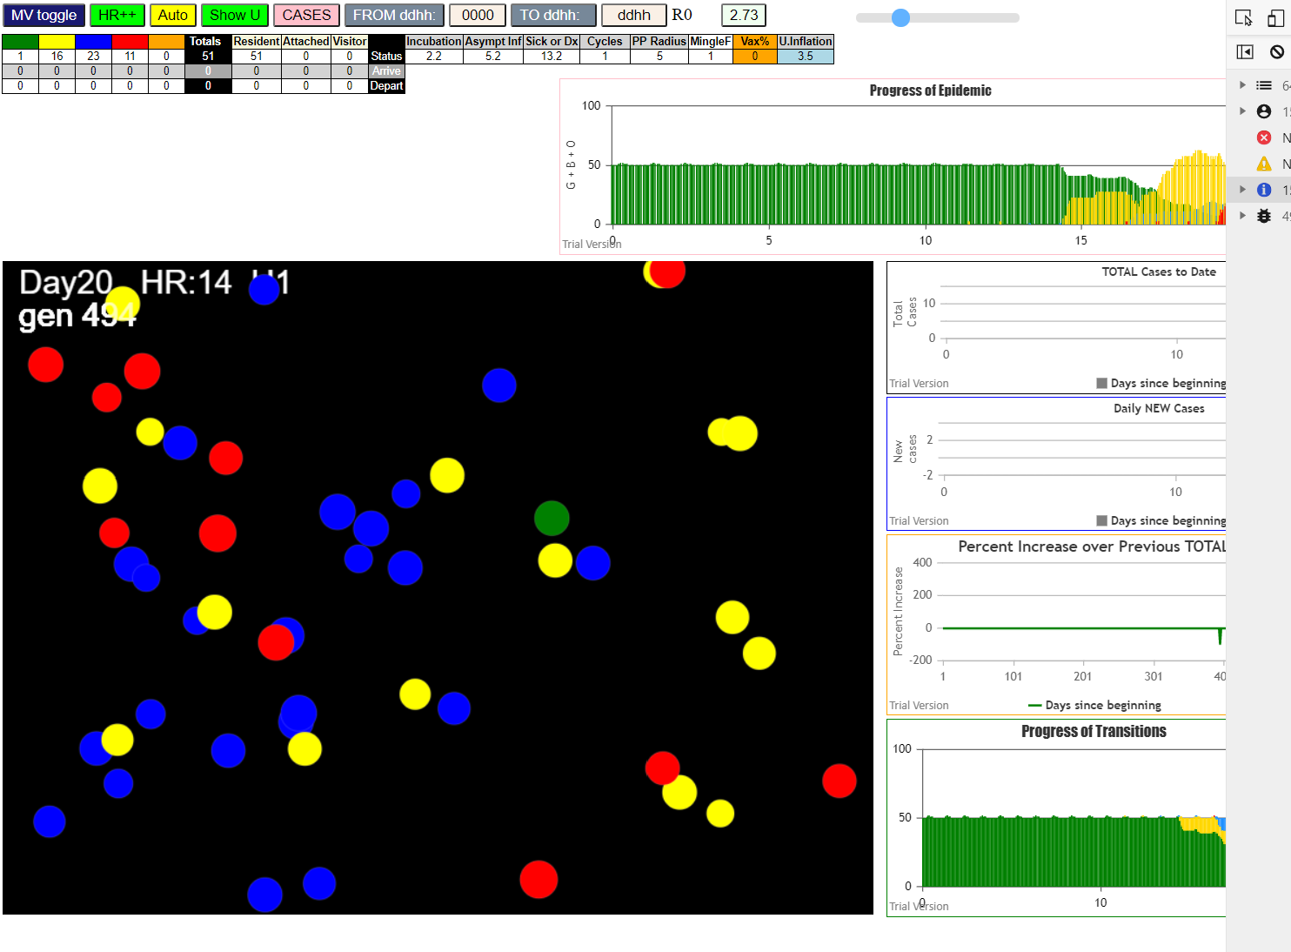

very aggressive: at 3.5 each U, and 8 days of symptomatic transmission,
the first LTC infection was carried by #27 as BLUE in generation 345
by gen 495 which is 150 generations or 6 days and 6 hrs later, we have one susceptible left, 11 symptomatc, 23 pre-symptomatic, and 15 incubating!

In the rest of the environment,

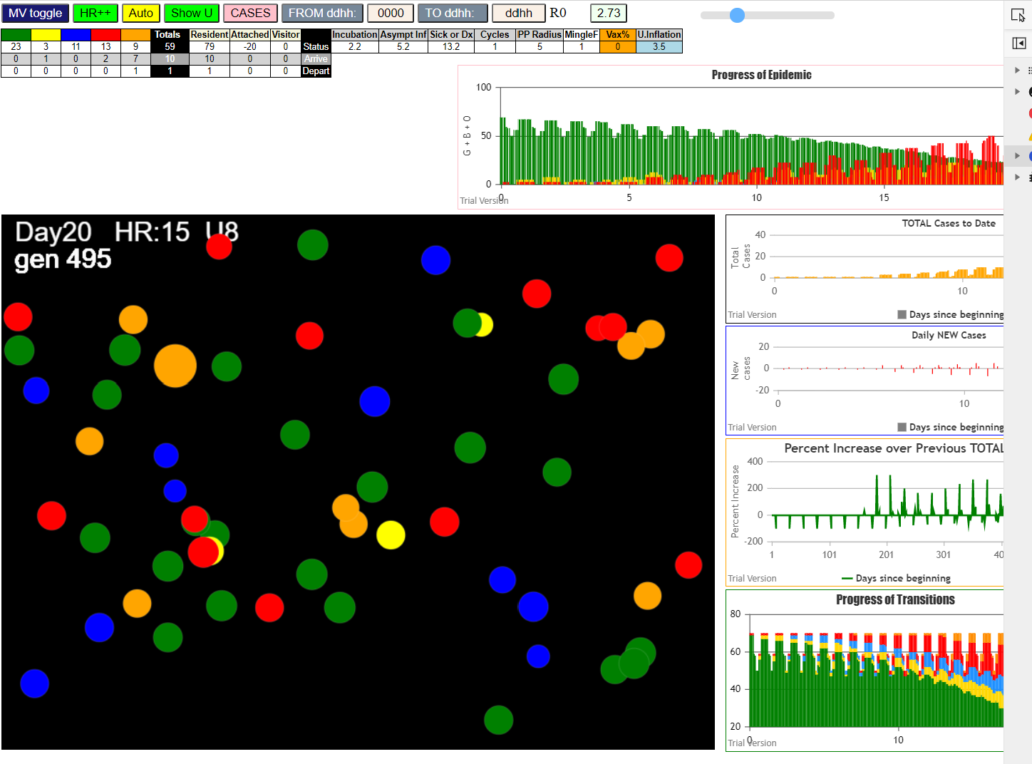

HOME has 23 susceptibles, and at present, there are 13 persons symptomatic at home, and 11 pre-symptomatic with 3 incubating

The ChildCare situation is

at 3pm pn Day 20, everyone there had been infected, there are 7 symptomatic and 4 inerts (past symptomatic phase)….
Have to look at console.log to see how many childcare attendees are so far spared, if any

We will now try 3.5 each U with 3 days of symptomatic transmission
Note that 3.5 is probably too high even for the childcare and family alone
The fact that it worked out in the trial last night does not state that is was the average setting, just that this setting produced desired results

Let's try with 3.5 nd 3 days red

so we get 18 infected with 15 identified cases as symptomatic, 9 infected in U8 (home)
we want to tone down U8 just a bit to say 3.3 later run

for now, at this point
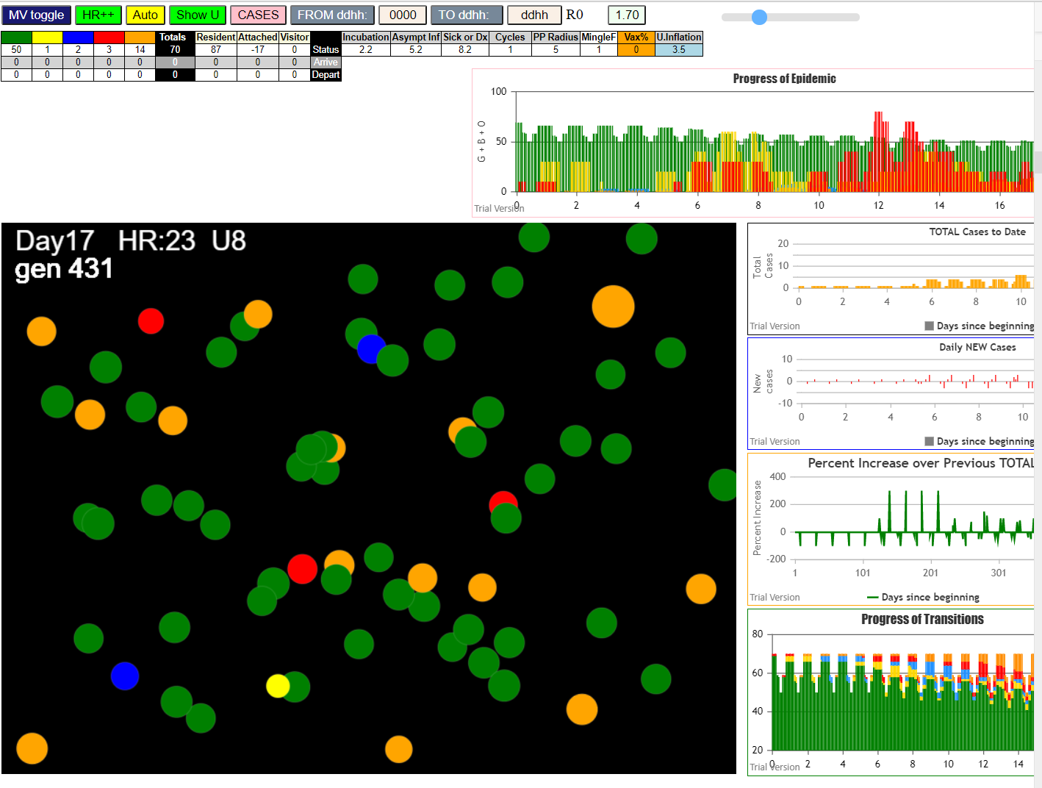

U1 has no one (#27 not infected yet)
Not happening |  | ended here

Sun Jan 10 2021 16:17:07 GMT-0800 (Pacific Standard Time)
simulationClover.js:834 CovidSIMVL Cloverdale U0+U8
simulationClover.js:4349 exit covidSim
simulationClover.js:23 getAsText File {name: "ltc50.csv", lastModified: 1610323270000, lastModifiedDate: Sun Jan 10 2021 16:01:10 GMT-0800 (Pacific Standard Time), webkitRelativePath: "", size: 3999, …}
simulationClover.js:32 File {name: "ltc50.csv", lastModified: 1610323270000, lastModifiedDate: Sun Jan 10 2021 16:01:10 GMT-0800 (Pacific Standard Time), webkitRelativePath: "", size: 3999, …}
simulationClover.js:23 getAsText File {name: "VL1.csv", lastModified: 1610305568000, lastModifiedDate: Sun Jan 10 2021 11:06:08 GMT-0800 (Pacific Standard Time), webkitRelativePath: "", size: 63, …}
simulationClover.js:32 File {name: "VL1.csv", lastModified: 1610305568000, lastModifiedDate: Sun Jan 10 2021 11:06:08 GMT-0800 (Pacific Standard Time), webkitRelativePath: "", size: 63, …}
simulationClover.js:1371 0 TURNED RED in U8 gen 1 TOTAL 0
simulationClover.js:1749 inflate universe index 3.5 in U0
simulationClover.js:1749 inflate universe index 3.5 in U1
simulationClover.js:1749 inflate universe index 3.5 in U8
simulationClover.js:1628 Red Days changed to 8.2
simulationClover.js:2160 1I j:famKey 2:F02 infected by red i:famKey 0:-1 at gen 11 in Univ0 prob=0.949
simulationClover.js:2160 1I j:famKey 14:F14 infected by red i:famKey 0:-1 at gen 11 in Univ0 prob=0.481
simulationClover.js:2160 3I j:famKey 18:F18 infected by red i:famKey 0:-1 at gen 14 in Univ0 prob=0.434
simulationClover.js:2177 4I i:famKey 6:F06 infected by blue j:famKey 2:F02 at gen 109 in U0 prob=0.184
simulationClover.js:2177 4I i:famKey 5:F05 infected by blue j:famKey 14:F14 at gen 110 in U0 prob=0.057
simulationClover.js:1371 2 TURNED RED in U8 gen 124 TOTAL 0
simulationClover.js:1371 14 TURNED RED in U8 gen 134 TOTAL 1
simulationClover.js:1371 18 TURNED RED in U8 gen 134 TOTAL 1
simulationClover.js:2160 6I j:famKey 4:F04 infected by red i:famKey 14:F14 at gen 138 in Univ0 prob=0.086
simulationClover.js:2177 7I i:famKey 48:F14 infected by red j:famKey 14:F14 at gen 141 in U8 prob=0.943
simulationClover.js:2177 8I i:famKey 10:F10 infected by red j:famKey 14:F14 at gen 156 in U0 prob=0.241
simulationClover.js:2177 9I i:famKey 3:F03 infected by red j:famKey 18:F18 at gen 160 in U0 prob=0.487
simulationClover.js:2160 9I j:famKey 17:F17 infected by red i:famKey 14:F14 at gen 160 in Univ0 prob=0.290
simulationClover.js:2177 11I i:famKey 22:F05 infected by blue j:famKey 5:F05 at gen 162 in U8 prob=0.080
simulationClover.js:2177 12I i:famKey 24:F06 infected by blue j:famKey 6:F06 at gen 194 in U8 prob=0.318
simulationClover.js:2160 13I j:famKey 8:F08 infected by blue i:famKey 4:F04 at gen 225 in Univ0 prob=0.521
simulationClover.js:1371 5 TURNED RED in U8 gen 226 TOTAL 0
simulationClover.js:1371 6 TURNED RED in U8 gen 233 TOTAL 1
simulationClover.js:1371 48 TURNED RED in U8 gen 255 TOTAL 2
simulationClover.js:1371 4 TURNED RED in U8 gen 260 TOTAL 3
simulationClover.js:1371 10 TURNED RED in U8 gen 274 TOTAL 4
simulationClover.js:1371 17 TURNED RED in U8 gen 277 TOTAL 5
simulationClover.js:2160 14I j:famKey 25:F06 infected by blue i:famKey 24:F06 at gen 279 in Univ8 prob=0.845
simulationClover.js:1371 3 TURNED RED in U8 gen 280 TOTAL 6
simulationClover.js:1371 22 TURNED RED in U8 gen 284 TOTAL 7
simulationClover.js:2177 15I i:famKey 23:F06 infected by red j:famKey 6:F06 at gen 287 in U8 prob=0.473
simulationClover.js:1371 24 TURNED RED in U8 gen 308 TOTAL 6
simulationClover.js:2177 16I i:famKey 36:F10 infected by red j:famKey 10:F10 at gen 310 in U8 prob=0.237
simulationClover.js:2177 17I i:famKey 58:F17 infected by red j:famKey 17:F17 at gen 314 in U8 prob=0.414
simulationClover.js:2177 18I i:famKey 20:F05 infected by red j:famKey 22:F05 at gen 344 in U8 prob=0.661
simulationClover.js:1371 8 TURNED RED in U8 gen 346 TOTAL 4
simulationClover.js:1371 25 TURNED RED in U8 gen 392 TOTAL 1
simulationClover.js:1371 23 TURNED RED in U8 gen 401 TOTAL 2
simulationClover.js:2160 19I j:famKey 21:F05 infected by blue i:famKey 20:F05 at gen 407 in Univ8 prob=0.024
simulationClover.js:1371 36 TURNED RED in U8 gen 425 TOTAL 2
simulationClover.js:2177 20I i:famKey 35:F10 infected by red j:famKey 36:F10 at gen 432 in U8 prob=0.614
simulationClover.js:1371 58 TURNED RED in U8 gen 438 TOTAL 3
simulationClover.js:2177 21I i:famKey 56:F17 infected by red j:famKey 58:F17 at gen 456 in U8 prob=0.000
simulationClover.js:1371 20 TURNED RED in U8 gen 468 TOTAL 3
simulationClover.js:1371 21 TURNED RED in U8 gen 520 TOTAL 1
simulationClover.js:1371 35 TURNED RED in U8 gen 549 TOTAL 1
simulationClover.js:1371 56 TURNED RED in U8 gen 571 TOTAL 2

We are going to tone U8 to 3.3 like we said, but worry that it won't be aggressive enough to get our two potential transmitters (27 and 30) infected
nut 3.5 days of symptomatci transmission
too aggressive, but still, 29 survivors in U8

simulationClover.js:833 Sun Jan 10 2021 16:27:10 GMT-0800 (Pacific Standard Time)
simulationClover.js:834 CovidSIMVL Cloverdale U0+U8
simulationClover.js:4349 exit covidSim
simulationClover.js:23 getAsText File {name: "ltc50.csv", lastModified: 1610323270000, lastModifiedDate: Sun Jan 10 2021 16:01:10 GMT-0800 (Pacific Standard Time), webkitRelativePath: "", size: 3999, …}
simulationClover.js:32 File {name: "ltc50.csv", lastModified: 1610323270000, lastModifiedDate: Sun Jan 10 2021 16:01:10 GMT-0800 (Pacific Standard Time), webkitRelativePath: "", size: 3999, …}
simulationClover.js:23 getAsText File {name: "VL1.csv", lastModified: 1610305568000, lastModifiedDate: Sun Jan 10 2021 11:06:08 GMT-0800 (Pacific Standard Time), webkitRelativePath: "", size: 63, …}
simulationClover.js:32 File {name: "VL1.csv", lastModified: 1610305568000, lastModifiedDate: Sun Jan 10 2021 11:06:08 GMT-0800 (Pacific Standard Time), webkitRelativePath: "", size: 63, …}
simulationClover.js:1371 0 TURNED RED in U8 gen 1 TOTAL 0
simulationClover.js:1749 inflate universe index 3.5 in U0
simulationClover.js:1749 inflate universe index 3.5 in U1
simulationClover.js:1749 inflate universe index 3.3 in U8
simulationClover.js:1628 Red Days changed to 8.7
simulationClover.js:2160 1I j:famKey 11:F11 infected by red i:famKey 0:-1 at gen 9 in Univ0 prob=0.505
simulationClover.js:2160 1I j:famKey 5:F05 infected by red i:famKey 0:-1 at gen 10 in Univ0 prob=0.590
simulationClover.js:2160 3I j:famKey 13:F13 infected by red i:famKey 0:-1 at gen 14 in Univ0 prob=0.681
simulationClover.js:1371 11 TURNED RED in U8 gen 127 TOTAL 0
simulationClover.js:1371 5 TURNED RED in U8 gen 129 TOTAL 1
simulationClover.js:1371 13 TURNED RED in U8 gen 130 TOTAL 2
simulationClover.js:2160 4I j:famKey 2:F02 infected by red i:famKey 5:F05 at gen 133 in Univ0 prob=0.726
simulationClover.js:2177 5I i:famKey 8:F08 infected by red j:famKey 11:F11 at gen 157 in U0 prob=0.239
simulationClover.js:2177 6I i:famKey 20:F05 infected by red j:famKey 5:F05 at gen 163 in U8 prob=0.141
simulationClover.js:2160 7I j:famKey 9:F09 infected by red i:famKey 5:F05 at gen 199 in Univ0 prob=0.773
simulationClover.js:2177 8I i:famKey 7:F07 infected by red j:famKey 11:F11 at gen 202 in U0 prob=0.329
simulationClover.js:2177 9I i:famKey 29:F08 infected by blue j:famKey 8:F08 at gen 218 in U8 prob=0.678
simulationClover.js:2160 10I j:famKey 16:F16 infected by blue i:famKey 8:F08 at gen 229 in Univ0 prob=0.496
simulationClover.js:2177 10I i:famKey 12:F12 infected by yellow j:famKey 16:F16 at gen 230 in U0 prob=0.664
simulationClover.js:2160 12I j:famKey 21:F05 infected by blue i:famKey 20:F05 at gen 243 in Univ8 prob=0.974
simulationClover.js:2160 12I j:famKey 30:F08 infected by blue i:famKey 8:F08 at gen 243 in Univ8 prob=0.950
simulationClover.js:1371 2 TURNED RED in U8 gen 251 TOTAL 0
simulationClover.js:1371 8 TURNED RED in U8 gen 272 TOTAL 1
simulationClover.js:2177 14I i:famKey 10:F10 infected by red j:famKey 2:F02 at gen 276 in U0 prob=0.432
simulationClover.js:2160 14I j:famKey 14:F14 infected by yellow i:famKey 10:F10 at gen 277 in Univ0 prob=0.370
simulationClover.js:2177 15I i:famKey 6:F06 infected by yellow j:famKey 12:F12 at gen 278 in U0 prob=0.195
simulationClover.js:1371 20 TURNED RED in U8 gen 281 TOTAL 2
simulationClover.js:2177 17I i:famKey 55:F16 infected by blue j:famKey 16:F16 at gen 296 in U8 prob=0.340
simulationClover.js:2177 18I i:famKey 82:-1 infected by blue j:famKey 30:F08 at gen 300 in U1 prob=0.675
simulationClover.js:2177 19I i:famKey 34:F09 infected by blue j:famKey 9:F09 at gen 305 in U8 prob=0.801
simulationClover.js:2177 19I i:famKey 27:F07 infected by blue j:famKey 7:F07 at gen 305 in U8 prob=0.077
simulationClover.js:1371 9 TURNED RED in U8 gen 317 TOTAL 3
simulationClover.js:2177 21I i:famKey 15:F15 infected by blue j:famKey 16:F16 at gen 323 in U0 prob=0.155
simulationClover.js:1371 7 TURNED RED in U8 gen 324 TOTAL 4
simulationClover.js:1371 29 TURNED RED in U8 gen 334 TOTAL 4
simulationClover.js:2177 22I i:famKey 41:F12 infected by blue j:famKey 12:F12 at gen 336 in U8 prob=0.382
simulationClover.js:2177 23I i:famKey 25:F06 infected by blue j:famKey 6:F06 at gen 341 in U8 prob=0.128
simulationClover.js:2177 24I i:famKey 87:-1 infected by blue j:famKey 30:F08 at gen 343 in U1 prob=0.948
simulationClover.js:2177 24I i:famKey 97:-1 infected by blue j:famKey 30:F08 at gen 344 in U1 prob=0.208
simulationClover.js:2177 24I i:famKey 105:-1 infected by blue j:famKey 30:F08 at gen 344 in U1 prob=0.941
simulationClover.js:2177 27I i:famKey 119:-1 infected by blue j:famKey 30:F08 at gen 347 in U1 prob=0.536
simulationClover.js:1371 16 TURNED RED in U8 gen 348 TOTAL 5
simulationClover.js:2177 27I i:famKey 78:-1 infected by yellow j:famKey 119:-1 at gen 348 in U1 prob=0.444
simulationClover.js:2177 27I i:famKey 78:-1 infected by blue j:famKey 30:F08 at gen 348 in U1 prob=0.554
simulationClover.js:2160 28I j:famKey 118:-1 infected by yellow i:famKey 78:-1 at gen 349 in Univ1 prob=0.087
simulationClover.js:1371 12 TURNED RED in U8 gen 350 TOTAL 6
simulationClover.js:2177 29I i:famKey 117:-1 infected by blue j:famKey 30:F08 at gen 350 in U1 prob=0.155
simulationClover.js:2160 30I j:famKey 86:-1 infected by yellow i:famKey 82:-1 at gen 351 in Univ1 prob=0.778
simulationClover.js:2177 31I i:famKey 85:-1 infected by yellow j:famKey 117:-1 at gen 352 in U1 prob=0.032
simulationClover.js:2177 31I i:famKey 89:-1 infected by yellow j:famKey 117:-1 at gen 352 in U1 prob=0.274
simulationClover.js:2177 32I i:famKey 83:-1 infected by yellow j:famKey 117:-1 at gen 353 in U1 prob=0.849
simulationClover.js:2177 32I i:famKey 106:-1 infected by yellow j:famKey 117:-1 at gen 353 in U1 prob=0.802
simulationClover.js:1371 21 TURNED RED in U8 gen 362 TOTAL 7
simulationClover.js:1371 30 TURNED RED in U8 gen 363 TOTAL 8
simulationClover.js:2160 36I j:famKey 90:-1 infected by blue i:famKey 82:-1 at gen 366 in Univ1 prob=0.315
simulationClover.js:2177 37I i:famKey 109:-1 infected by red j:famKey 30:F08 at gen 369 in U1 prob=0.067
simulationClover.js:2160 38I j:famKey 17:F17 infected by red i:famKey 12:F12 at gen 371 in Univ0 prob=0.768
simulationClover.js:2160 38I j:famKey 17:F17 infected by red i:famKey 16:F16 at gen 371 in Univ0 prob=0.078
simulationClover.js:2177 39I i:famKey 114:-1 infected by red j:famKey 30:F08 at gen 373 in U1 prob=0.063
simulationClover.js:2160 40I j:famKey 96:-1 infected by blue i:famKey 82:-1 at gen 376 in Univ1 prob=0.590
simulationClover.js:2160 40I j:famKey 103:-1 infected by blue i:famKey 82:-1 at gen 376 in Univ1 prob=0.117
simulationClover.js:2177 42I i:famKey 50:F15 infected by blue j:famKey 15:F15 at gen 385 in U8 prob=0.361
simulationClover.js:1371 14 TURNED RED in U8 gen 390 TOTAL 6
simulationClover.js:2177 43I i:famKey 71:-1 infected by blue j:famKey 82:-1 at gen 392 in U1 prob=0.497
simulationClover.js:2177 44I i:famKey 98:-1 infected by yellow j:famKey 119:-1 at gen 396 in U1 prob=0.559
simulationClover.js:2177 44I i:famKey 95:-1 infected by yellow j:famKey 119:-1 at gen 397 in U1 prob=0.651
simulationClover.js:2177 45I i:famKey 111:-1 infected by red j:famKey 30:F08 at gen 398 in U1 prob=0.490
simulationClover.js:2177 46I i:famKey 72:-1 infected by blue j:famKey 97:-1 at gen 399 in U1 prob=0.226
simulationClover.js:1371 10 TURNED RED in U8 gen 400 TOTAL 6
simulationClover.js:2177 47I i:famKey 79:-1 infected by blue j:famKey 87:-1 at gen 400 in U1 prob=0.463
simulationClover.js:2160 49I j:famKey 91:-1 infected by blue i:famKey 87:-1 at gen 402 in Univ1 prob=0.530
simulationClover.js:1371 6 TURNED RED in U8 gen 403 TOTAL 7
simulationClover.js:2177 50I i:famKey 80:-1 infected by blue j:famKey 82:-1 at gen 404 in U1 prob=0.685
simulationClover.js:2177 51I i:famKey 88:-1 infected by blue j:famKey 89:-1 at gen 406 in U1 prob=0.908
simulationClover.js:2177 51I i:famKey 88:-1 infected by blue j:famKey 97:-1 at gen 406 in U1 prob=0.559
simulationClover.js:2177 51I i:famKey 93:-1 infected by blue j:famKey 97:-1 at gen 406 in U1 prob=0.945
simulationClover.js:2177 53I i:famKey 73:-1 infected by blue j:famKey 97:-1 at gen 408 in U1 prob=0.946
simulationClover.js:2177 53I i:famKey 51:F15 infected by blue j:famKey 15:F15 at gen 408 in U8 prob=0.104
simulationClover.js:2177 55I i:famKey 70:-1 infected by blue j:famKey 82:-1 at gen 412 in U1 prob=0.860
simulationClover.js:2177 56I i:famKey 94:-1 infected by blue j:famKey 117:-1 at gen 414 in U1 prob=0.671
simulationClover.js:2177 57I i:famKey 99:-1 infected by red j:famKey 30:F08 at gen 416 in U1 prob=0.791
simulationClover.js:2160 57I j:famKey 77:-1 infected by yellow i:famKey 70:-1 at gen 417 in Univ1 prob=0.658
simulationClover.js:2177 57I i:famKey 75:-1 infected by blue j:famKey 85:-1 at gen 417 in U1 prob=0.975
simulationClover.js:2160 58I j:famKey 42:F12 infected by blue i:famKey 41:F12 at gen 418 in Univ8 prob=0.321
simulationClover.js:1371 55 TURNED RED in U8 gen 420 TOTAL 7
simulationClover.js:2160 61I j:famKey 113:-1 infected by blue i:famKey 83:-1 at gen 420 in Univ1 prob=0.202
simulationClover.js:1371 82 TURNED RED in U8 gen 422 TOTAL 8
simulationClover.js:2160 62I j:famKey 100:-1 infected by red i:famKey 82:-1 at gen 422 in Univ1 prob=0.663
simulationClover.js:2177 62I i:famKey 100:-1 infected by blue j:famKey 105:-1 at gen 422 in U1 prob=0.379
simulationClover.js:1371 27 TURNED RED in U8 gen 428 TOTAL 8
simulationClover.js:1371 34 TURNED RED in U8 gen 429 TOTAL 9
simulationClover.js:2160 63I j:famKey 101:-1 infected by blue i:famKey 85:-1 at gen 430 in Univ1 prob=0.092
simulationClover.js:2160 63I j:famKey 112:-1 infected by blue i:famKey 89:-1 at gen 431 in Univ1 prob=0.653
simulationClover.js:2160 65I j:famKey 110:-1 infected by blue i:famKey 89:-1 at gen 433 in Univ1 prob=0.501
simulationClover.js:2177 65I i:famKey 74:-1 infected by blue j:famKey 86:-1 at gen 434 in U1 prob=0.304
simulationClover.js:2160 65I j:famKey 116:-1 infected by blue i:famKey 86:-1 at gen 434 in Univ1 prob=0.475
simulationClover.js:2160 68I j:famKey 115:-1 infected by yellow i:famKey 74:-1 at gen 436 in Univ1 prob=0.386
simulationClover.js:2177 68I i:famKey 104:-1 infected by blue j:famKey 119:-1 at gen 436 in U1 prob=0.670
simulationClover.js:1371 15 TURNED RED in U8 gen 437 TOTAL 9
simulationClover.js:2160 68I j:famKey 107:-1 infected by yellow i:famKey 74:-1 at gen 437 in Univ1 prob=0.719
simulationClover.js:2177 68I i:famKey 52:F15 infected by red j:famKey 15:F15 at gen 437 in U8 prob=0.660
simulationClover.js:2177 72I i:famKey 81:-1 infected by red j:famKey 30:F08 at gen 439 in U1 prob=0.629
simulationClover.js:2160 73I j:famKey 84:-1 infected by red i:famKey 82:-1 at gen 445 in Univ1 prob=0.272
simulationClover.js:2160 74I j:famKey 4:F04 infected by red i:famKey 15:F15 at gen 447 in Univ0 prob=0.365
simulationClover.js:2177 75I i:famKey 56:F17 infected by blue j:famKey 17:F17 at gen 451 in U8 prob=0.354
simulationClover.js:2160 75I j:famKey 108:-1 infected by blue i:famKey 98:-1 at gen 452 in Univ1 prob=0.177
simulationClover.js:2177 75I i:famKey 102:-1 infected by blue j:famKey 119:-1 at gen 452 in U1 prob=0.157
simulationClover.js:2177 76I i:famKey 76:-1 infected by blue j:famKey 78:-1 at gen 453 in U1 prob=0.134
simulationClover.js:2160 79I j:famKey 92:-1 infected by blue i:famKey 85:-1 at gen 455 in Univ1 prob=0.273
simulationClover.js:1371 25 TURNED RED in U8 gen 456 TOTAL 8
simulationClover.js:1371 87 TURNED RED in U8 gen 457 TOTAL 9
simulationClover.js:1371 41 TURNED RED in U8 gen 458 TOTAL 10
simulationClover.js:1371 78 TURNED RED in U8 gen 463 TOTAL 11
simulationClover.js:1371 97 TURNED RED in U8 gen 463 TOTAL 11
simulationClover.js:1371 86 TURNED RED in U8 gen 464 TOTAL 13
simulationClover.js:1371 118 TURNED RED in U8 gen 466 TOTAL 14
simulationClover.js:1371 119 TURNED RED in U8 gen 466 TOTAL 14
simulationClover.js:1371 89 TURNED RED in U8 gen 468 TOTAL 16
simulationClover.js:2160 80I j:famKey 3:F03 infected by red i:famKey 10:F10 at gen 468 in Univ0 prob=0.321
simulationClover.js:2160 80I j:famKey 18:F18 infected by red i:famKey 15:F15 at gen 468 in Univ0 prob=0.027
simulationClover.js:1371 85 TURNED RED in U8 gen 469 TOTAL 16
simulationClover.js:1371 105 TURNED RED in U8 gen 469 TOTAL 16
simulationClover.js:1371 83 TURNED RED in U8 gen 473 TOTAL 17
simulationClover.js:1371 117 TURNED RED in U8 gen 475 TOTAL 18
simulationClover.js:1371 106 TURNED RED in U8 gen 478 TOTAL 19
simulationClover.js:1371 90 TURNED RED in U8 gen 481 TOTAL 19
simulationClover.js:1371 17 TURNED RED in U8 gen 487 TOTAL 20
simulationClover.js:1371 96 TURNED RED in U8 gen 494 TOTAL 21
simulationClover.js:1371 109 TURNED RED in U8 gen 494 TOTAL 21
simulationClover.js:1371 114 TURNED RED in U8 gen 497 TOTAL 23
simulationClover.js:1371 103 TURNED RED in U8 gen 498 TOTAL 23
simulationClover.js:1371 50 TURNED RED in U8 gen 507 TOTAL 22
simulationClover.js:1371 71 TURNED RED in U8 gen 509 TOTAL 22
simulationClover.js:1371 72 TURNED RED in U8 gen 514 TOTAL 23
simulationClover.js:1371 95 TURNED RED in U8 gen 515 TOTAL 24
simulationClover.js:1371 98 TURNED RED in U8 gen 515 TOTAL 24
simulationClover.js:1371 80 TURNED RED in U8 gen 517 TOTAL 26
simulationClover.js:1371 91 TURNED RED in U8 gen 518 TOTAL 27
simulationClover.js:1371 79 TURNED RED in U8 gen 519 TOTAL 28
simulationClover.js:1371 111 TURNED RED in U8 gen 520 TOTAL 29
simulationClover.js:1371 73 TURNED RED in U8 gen 521 TOTAL 30
simulationClover.js:1371 93 TURNED RED in U8 gen 524 TOTAL 31
simulationClover.js:1371 88 TURNED RED in U8 gen 529 TOTAL 32
simulationClover.js:1371 77 TURNED RED in U8 gen 530 TOTAL 33
simulationClover.js:1371 70 TURNED RED in U8 gen 531 TOTAL 33
simulationClover.js:1371 51 TURNED RED in U8 gen 533 TOTAL 33
simulationClover.js:1371 75 TURNED RED in U8 gen 538 TOTAL 33
simulationClover.js:1371 94 TURNED RED in U8 gen 538 TOTAL 33
simulationClover.js:1371 99 TURNED RED in U8 gen 538 TOTAL 33
simulationClover.js:1371 42 TURNED RED in U8 gen 543 TOTAL 32
simulationClover.js:1371 100 TURNED RED in U8 gen 543 TOTAL 32
simulationClover.js:1371 113 TURNED RED in U8 gen 543 TOTAL 32
simulationClover.js:1371 112 TURNED RED in U8 gen 546 TOTAL 34
simulationClover.js:1371 110 TURNED RED in U8 gen 550 TOTAL 34
simulationClover.js:1371 101 TURNED RED in U8 gen 553 TOTAL 33
simulationClover.js:1371 52 TURNED RED in U8 gen 554 TOTAL 33
simulationClover.js:1371 116 TURNED RED in U8 gen 554 TOTAL 33
simulationClover.js:1371 104 TURNED RED in U8 gen 555 TOTAL 35
simulationClover.js:1371 74 TURNED RED in U8 gen 556 TOTAL 35
simulationClover.js:1371 81 TURNED RED in U8 gen 558 TOTAL 34
simulationClover.js:1371 107 TURNED RED in U8 gen 558 TOTAL 34
simulationClover.js:1371 115 TURNED RED in U8 gen 561 TOTAL 35
simulationClover.js:2177 82I i:famKey 57:F17 infected by red j:famKey 17:F17 at gen 562 in U8 prob=0.155
simulationClover.js:1371 108 TURNED RED in U8 gen 567 TOTAL 36
simulationClover.js:1371 4 TURNED RED in U8 gen 568 TOTAL 37
simulationClover.js:1371 84 TURNED RED in U8 gen 569 TOTAL 38
simulationClover.js:1371 76 TURNED RED in U8 gen 570 TOTAL 39
simulationClover.js:1371 92 TURNED RED in U8 gen 572 TOTAL 38
simulationClover.js:1371 56 TURNED RED in U8 gen 573 TOTAL 39
simulationClover.js:2177 83I i:famKey 59:F18 infected by blue j:famKey 18:F18 at gen 573 in U8 prob=0.612
simulationClover.js:1371 102 TURNED RED in U8 gen 575 TOTAL 38
simulationClover.js:1371 3 TURNED RED in U8 gen 591 TOTAL 37
simulationClover.js:1371 18 TURNED RED in U8 gen 591 TOTAL 37
simulationClover.js:2160 84I j:famKey 43:F12 infected by red i:famKey 42:F12 at gen 596 in Univ8 prob=0.358
simulationClover.js:2160 85I j:famKey 19:F19 infected by red i:famKey 18:F18 at gen 616 in Univ0 prob=0.497
simulationClover.js:1371 57 TURNED RED in U8 gen 675 TOTAL 1
simulationClover.js:1371 59 TURNED RED in U8 gen 688 TOTAL 1
simulationClover.js:1371 43 TURNED RED in U8 gen 717 TOTAL 2
simulationClover.js:2177 86I i:famKey 63:F19 infected by blue j:famKey 19:F19 at gen 724 in U8 prob=0.367
simulationClover.js:2177 87I i:famKey 64:F19 infected by blue j:famKey 19:F19 at gen 728 in U8 prob=0.547
simulationClover.js:1371 19 TURNED RED in U8 gen 730 TOTAL 3
simulationClover.js:2160 88I j:famKey 61:F18 infected by red i:famKey 59:F18 at gen 778 in Univ8 prob=0.082
simulationClover.js:2177 89I i:famKey 62:F19 infected by blue j:famKey 63:F19 at gen 821 in U8 prob=0.133
simulationClover.js:1371 63 TURNED RED in U8 gen 839 TOTAL 0
simulationClover.js:1371 64 TURNED RED in U8 gen 845 TOTAL 1
simulationClover.js:1371 61 TURNED RED in U8 gen 897 TOTAL 2
simulationClover.js:1371 62 TURNED RED in U8 gen 938 TOTAL 1
simulationClover.js:2177 90I i:famKey 60:F18 infected by red j:famKey 61:F18 at gen 964 in U8 prob=0.820
simulationClover.js:1371 60 TURNED RED in U8 gen 1089 TOTAL 0

I count 51 infections in LTC starging in gen 300 as 18th infection by #30 who was infected at gen 243 as 12th infection
From gen 300 to last infected LTC at gen 455 was 155 gens or 6 days and 11Hrs…..all infected given the inflation factor of 3.5

but there were 24 infections in U0 + U8 by gen 400

so we are going down
3.2 everywhere
if we add ED, the run will keep going … more U which are active

nope, try 3.3s and 3.7days red

simulationClover.js:833 Sun Jan 10 2021 16:57:06 GMT-0800 (Pacific Standard Time)
simulationClover.js:834 CovidSIMVL Cloverdale U0+U8
simulationClover.js:4349 exit covidSim
simulationClover.js:23 getAsText File {name: "ltc50.csv", lastModified: 1610323270000, lastModifiedDate: Sun Jan 10 2021 16:01:10 GMT-0800 (Pacific Standard Time), webkitRelativePath: "", size: 3999, …}
simulationClover.js:32 File {name: "ltc50.csv", lastModified: 1610323270000, lastModifiedDate: Sun Jan 10 2021 16:01:10 GMT-0800 (Pacific Standard Time), webkitRelativePath: "", size: 3999, …}
simulationClover.js:23 getAsText File {name: "VL1.csv", lastModified: 1610305568000, lastModifiedDate: Sun Jan 10 2021 11:06:08 GMT-0800 (Pacific Standard Time), webkitRelativePath: "", size: 63, …}
simulationClover.js:32 File {name: "VL1.csv", lastModified: 1610305568000, lastModifiedDate: Sun Jan 10 2021 11:06:08 GMT-0800 (Pacific Standard Time), webkitRelativePath: "", size: 63, …}
simulationClover.js:1371 0 TURNED RED at gen 1 TOTAL 0
simulationClover.js:1749 inflate universe index 3.3 in U0
simulationClover.js:1749 inflate universe index 3.3 in U1
simulationClover.js:1749 inflate universe index 3.3 in U8
simulationClover.js:1628 Red Days changed to 8.7
simulationClover.js:2160 1I j:famKey 14:F14 infected by red i:famKey 0:-1 at gen 13 in Univ0 prob=0.113
simulationClover.js:2177 2I i:famKey 12:F12 infected by blue j:famKey 14:F14 at gen 85 in U0 prob=0.156
simulationClover.js:2177 3I i:famKey 7:F07 infected by blue j:famKey 14:F14 at gen 107 in U0 prob=0.227
simulationClover.js:2160 4I j:famKey 17:F17 infected by blue i:famKey 14:F14 at gen 112 in Univ0 prob=0.701
simulationClover.js:1371 14 TURNED RED at gen 126 TOTAL 0
simulationClover.js:2177 5I i:famKey 2:F02 infected by red j:famKey 14:F14 at gen 135 in U0 prob=0.411
simulationClover.js:2160 6I j:famKey 16:F16 infected by blue i:famKey 12:F12 at gen 158 in Univ0 prob=0.669
simulationClover.js:2177 7I i:famKey 3:F03 infected by blue j:famKey 12:F12 at gen 183 in U0 prob=0.265
simulationClover.js:2177 8I i:famKey 48:F14 infected by red j:famKey 14:F14 at gen 193 in U8 prob=0.062
simulationClover.js:2160 9I j:famKey 10:F10 infected by blue i:famKey 7:F07 at gen 199 in Univ0 prob=0.613
simulationClover.js:2177 10I i:famKey 11:F11 infected by blue j:famKey 12:F12 at gen 203 in U0 prob=0.994
simulationClover.js:1371 12 TURNED RED at gen 206 TOTAL 1
simulationClover.js:2177 11I i:famKey 41:F12 infected by red j:famKey 12:F12 at gen 216 in U8 prob=0.256
simulationClover.js:2177 12I i:famKey 43:F12 infected by red j:famKey 12:F12 at gen 225 in U8 prob=0.895
simulationClover.js:1371 17 TURNED RED at gen 226 TOTAL 1
simulationClover.js:1371 7 TURNED RED at gen 229 TOTAL 2
simulationClover.js:2160 13I j:famKey 15:F15 infected by red i:famKey 12:F12 at gen 234 in Univ0 prob=0.849
simulationClover.js:2177 14I i:famKey 28:F07 infected by red j:famKey 7:F07 at gen 239 in U8 prob=0.174
simulationClover.js:1371 2 TURNED RED at gen 253 TOTAL 3
simulationClover.js:2160 15I j:famKey 13:F13 infected by blue i:famKey 3:F03 at gen 254 in Univ0 prob=0.918
simulationClover.js:2177 16I i:famKey 54:F16 infected by blue j:famKey 16:F16 at gen 271 in U8 prob=0.757
simulationClover.js:1371 16 TURNED RED at gen 272 TOTAL 4
simulationClover.js:2160 17I j:famKey 8:F08 infected by red i:famKey 7:F07 at gen 275 in Univ0 prob=0.709
simulationClover.js:2160 17I j:famKey 18:F18 infected by blue i:famKey 10:F10 at gen 275 in Univ0 prob=0.101
simulationClover.js:2177 17I i:famKey 5:F05 infected by red j:famKey 2:F02 at gen 276 in U0 prob=0.065
simulationClover.js:2160 17I j:famKey 19:F19 infected by red i:famKey 7:F07 at gen 276 in Univ0 prob=0.460
simulationClover.js:2160 19I j:famKey 9:F09 infected by yellow i:famKey 5:F05 at gen 277 in Univ0 prob=0.241
simulationClover.js:2177 19I i:famKey 6:F06 infected by blue j:famKey 11:F11 at gen 277 in U0 prob=0.418
simulationClover.js:1371 3 TURNED RED at gen 298 TOTAL 4
simulationClover.js:2177 23I i:famKey 26:F07 infected by red j:famKey 7:F07 at gen 303 in U8 prob=0.177
simulationClover.js:1371 48 TURNED RED at gen 308 TOTAL 5
simulationClover.js:2177 24I i:famKey 53:F16 infected by red j:famKey 16:F16 at gen 311 in U8 prob=0.605
simulationClover.js:2160 25I j:famKey 49:F14 infected by red i:famKey 48:F14 at gen 315 in Univ8 prob=0.273
simulationClover.js:1371 11 TURNED RED at gen 317 TOTAL 5
simulationClover.js:1371 10 TURNED RED at gen 323 TOTAL 5
simulationClover.js:2177 26I i:famKey 1:F01 infected by red j:famKey 11:F11 at gen 324 in U0 prob=0.157
simulationClover.js:2177 27I i:famKey 42:F12 infected by blue j:famKey 43:F12 at gen 326 in U8 prob=0.090
simulationClover.js:2177 28I i:famKey 64:F19 infected by blue j:famKey 19:F19 at gen 333 in U8 prob=0.068
simulationClover.js:1371 41 TURNED RED at gen 340 TOTAL 5
simulationClover.js:1371 43 TURNED RED at gen 348 TOTAL 6
simulationClover.js:1371 15 TURNED RED at gen 359 TOTAL 6
simulationClover.js:2177 29I i:famKey 33:F09 infected by blue j:famKey 9:F09 at gen 361 in U8 prob=0.937
simulationClover.js:1371 28 TURNED RED at gen 362 TOTAL 7
simulationClover.js:1371 13 TURNED RED at gen 367 TOTAL 8
simulationClover.js:2177 30I i:famKey 39:F11 infected by red j:famKey 11:F11 at gen 375 in U8 prob=0.283
simulationClover.js:1371 8 TURNED RED at gen 392 TOTAL 7
simulationClover.js:1371 54 TURNED RED at gen 392 TOTAL 7
simulationClover.js:2177 31I i:famKey 59:F18 infected by blue j:famKey 18:F18 at gen 393 in U8 prob=0.362
simulationClover.js:1371 5 TURNED RED at gen 394 TOTAL 9
simulationClover.js:1371 9 TURNED RED at gen 395 TOTAL 10
simulationClover.js:1371 6 TURNED RED at gen 396 TOTAL 11
simulationClover.js:1371 18 TURNED RED at gen 399 TOTAL 12
simulationClover.js:1371 19 TURNED RED at gen 401 TOTAL 12
simulationClover.js:2177 32I i:famKey 31:F08 infected by red j:famKey 8:F08 at gen 401 in U8 prob=0.854
simulationClover.js:2177 33I i:famKey 44:F13 infected by red j:famKey 13:F13 at gen 405 in U8 prob=0.962
simulationClover.js:2177 34I i:famKey 21:F05 infected by red j:famKey 5:F05 at gen 407 in U8 prob=0.495
simulationClover.js:1371 26 TURNED RED at gen 425 TOTAL 10
simulationClover.js:2177 35I i:famKey 46:F13 infected by red j:famKey 13:F13 at gen 427 in U8 prob=0.767
simulationClover.js:1371 53 TURNED RED at gen 430 TOTAL 11
simulationClover.js:1371 49 TURNED RED at gen 435 TOTAL 12
simulationClover.js:1371 42 TURNED RED at gen 441 TOTAL 11
simulationClover.js:1371 1 TURNED RED at gen 444 TOTAL 12
simulationClover.js:1371 64 TURNED RED at gen 454 TOTAL 12
simulationClover.js:2177 36I i:famKey 62:F19 infected by red j:famKey 64:F19 at gen 455 in U8 prob=0.934
simulationClover.js:2160 37I j:famKey 40:F11 infected by blue i:famKey 39:F11 at gen 458 in Univ8 prob=0.412
simulationClover.js:2160 38I j:famKey 30:F08 infected by red i:famKey 8:F08 at gen 461 in Univ8 prob=0.731
simulationClover.js:2177 39I i:famKey 29:F08 infected by blue j:famKey 31:F08 at gen 467 in U8 prob=0.957
simulationClover.js:2160 40I j:famKey 55:F16 infected by red i:famKey 54:F16 at gen 469 in Univ8 prob=0.054
simulationClover.js:1371 33 TURNED RED at gen 478 TOTAL 10
simulationClover.js:1371 39 TURNED RED at gen 492 TOTAL 7
simulationClover.js:2160 41I j:famKey 22:F05 infected by blue i:famKey 21:F05 at gen 506 in Univ8 prob=0.741
simulationClover.js:2160 41I j:famKey 45:F13 infected by blue i:famKey 44:F13 at gen 507 in Univ8 prob=0.179
simulationClover.js:1371 59 TURNED RED at gen 509 TOTAL 6
simulationClover.js:2177 43I i:famKey 79:-1 infected by blue j:famKey 30:F08 at gen 512 in U1 prob=0.850
simulationClover.js:1371 31 TURNED RED at gen 522 TOTAL 5
simulationClover.js:1371 44 TURNED RED at gen 523 TOTAL 6
simulationClover.js:1371 21 TURNED RED at gen 531 TOTAL 6
simulationClover.js:2177 44I i:famKey 97:-1 infected by blue j:famKey 30:F08 at gen 535 in U1 prob=0.321
simulationClover.js:2177 45I i:famKey 111:-1 infected by blue j:famKey 30:F08 at gen 539 in U1 prob=0.567
simulationClover.js:2160 45I j:famKey 113:-1 infected by yellow i:famKey 97:-1 at gen 540 in Univ1 prob=0.587
simulationClover.js:2177 45I i:famKey 32:F09 infected by red j:famKey 33:F09 at gen 540 in U8 prob=0.539
simulationClover.js:2160 45I j:famKey 61:F18 infected by red i:famKey 59:F18 at gen 540 in Univ8 prob=0.040
simulationClover.js:2177 49I i:famKey 71:-1 infected by yellow j:famKey 97:-1 at gen 545 in U1 prob=0.510
simulationClover.js:1371 46 TURNED RED at gen 550 TOTAL 6
simulationClover.js:2177 50I i:famKey 78:-1 infected by blue j:famKey 30:F08 at gen 562 in U1 prob=0.621
simulationClover.js:2177 50I i:famKey 94:-1 infected by blue j:famKey 30:F08 at gen 562 in U1 prob=0.765
simulationClover.js:2160 52I j:famKey 84:-1 infected by yellow i:famKey 78:-1 at gen 567 in Univ1 prob=0.801
simulationClover.js:1371 62 TURNED RED at gen 570 TOTAL 6
simulationClover.js:2160 53I j:famKey 100:-1 infected by blue i:famKey 79:-1 at gen 572 in Univ1 prob=0.030
simulationClover.js:1371 30 TURNED RED at gen 574 TOTAL 6
simulationClover.js:1371 40 TURNED RED at gen 574 TOTAL 6
simulationClover.js:2160 54I j:famKey 63:F19 infected by red i:famKey 62:F19 at gen 582 in Univ8 prob=0.968
simulationClover.js:1371 29 TURNED RED at gen 583 TOTAL 7
simulationClover.js:2177 54I i:famKey 82:-1 infected by red j:famKey 30:F08 at gen 583 in U1 prob=0.144
simulationClover.js:2160 56I j:famKey 109:-1 infected by yellow i:famKey 100:-1 at gen 586 in Univ1 prob=0.841
simulationClover.js:2160 57I j:famKey 105:-1 infected by blue i:famKey 79:-1 at gen 588 in Univ1 prob=0.663
simulationClover.js:2160 57I j:famKey 117:-1 infected by blue i:famKey 79:-1 at gen 588 in Univ1 prob=0.023
simulationClover.js:2177 57I i:famKey 77:-1 infected by red j:famKey 30:F08 at gen 589 in U1 prob=0.384
simulationClover.js:1371 55 TURNED RED at gen 592 TOTAL 8
simulationClover.js:2160 60I j:famKey 87:-1 infected by blue i:famKey 71:-1 at gen 594 in Univ1 prob=0.597
simulationClover.js:2160 61I j:famKey 92:-1 infected by yellow i:famKey 77:-1 at gen 596 in Univ1 prob=0.088
simulationClover.js:2177 61I i:famKey 83:-1 infected by blue j:famKey 111:-1 at gen 596 in U1 prob=0.960
simulationClover.js:2177 63I i:famKey 88:-1 infected by blue j:famKey 97:-1 at gen 600 in U1 prob=0.817
simulationClover.js:2177 64I i:famKey 75:-1 infected by blue j:famKey 97:-1 at gen 602 in U1 prob=0.819
simulationClover.js:2177 65I i:famKey 95:-1 infected by blue j:famKey 113:-1 at gen 604 in U1 prob=0.807
simulationClover.js:2160 66I j:famKey 96:-1 infected by blue i:famKey 71:-1 at gen 606 in Univ1 prob=0.939
simulationClover.js:2160 67I j:famKey 80:-1 infected by blue i:famKey 79:-1 at gen 614 in Univ1 prob=0.462
simulationClover.js:2177 68I i:famKey 70:-1 infected by blue j:famKey 111:-1 at gen 617 in U1 prob=0.526
simulationClover.js:2160 68I j:famKey 98:-1 infected by blue i:famKey 79:-1 at gen 617 in Univ1 prob=0.401
simulationClover.js:2160 68I j:famKey 116:-1 infected by yellow i:famKey 84:-1 at gen 618 in Univ1 prob=0.999
simulationClover.js:2160 71I j:famKey 110:-1 infected by yellow i:famKey 70:-1 at gen 620 in Univ1 prob=0.088
simulationClover.js:2160 72I j:famKey 91:-1 infected by blue i:famKey 71:-1 at gen 623 in Univ1 prob=0.899
simulationClover.js:2160 73I j:famKey 99:-1 infected by yellow i:famKey 70:-1 at gen 625 in Univ1 prob=0.285
simulationClover.js:2160 73I j:famKey 115:-1 infected by yellow i:famKey 70:-1 at gen 625 in Univ1 prob=0.386
simulationClover.js:1371 45 TURNED RED at gen 628 TOTAL 6
simulationClover.js:1371 22 TURNED RED at gen 630 TOTAL 7
simulationClover.js:2160 75I j:famKey 102:-1 infected by blue i:famKey 71:-1 at gen 630 in Univ1 prob=0.596
simulationClover.js:2160 75I j:famKey 81:-1 infected by blue i:famKey 79:-1 at gen 630 in Univ1 prob=0.878
simulationClover.js:2177 75I i:famKey 103:-1 infected by blue j:famKey 113:-1 at gen 630 in U1 prob=0.706
simulationClover.js:1371 79 TURNED RED at gen 631 TOTAL 8
simulationClover.js:2160 75I j:famKey 101:-1 infected by yellow i:famKey 82:-1 at gen 631 in Univ1 prob=0.247
simulationClover.js:2160 75I j:famKey 106:-1 infected by yellow i:famKey 103:-1 at gen 631 in Univ1 prob=0.728
simulationClover.js:2177 75I i:famKey 106:-1 infected by blue j:famKey 113:-1 at gen 631 in U1 prob=0.665
simulationClover.js:2177 80I i:famKey 108:-1 infected by blue j:famKey 111:-1 at gen 634 in U1 prob=0.626
simulationClover.js:2177 81I i:famKey 72:-1 infected by yellow j:famKey 103:-1 at gen 636 in U1 prob=0.450
simulationClover.js:2160 81I j:famKey 93:-1 infected by blue i:famKey 84:-1 at gen 636 in Univ1 prob=0.108
simulationClover.js:2160 83I j:famKey 90:-1 infected by blue i:famKey 71:-1 at gen 638 in Univ1 prob=0.279
simulationClover.js:2160 83I j:famKey 118:-1 infected by blue i:famKey 71:-1 at gen 639 in Univ1 prob=0.417
simulationClover.js:2160 85I j:famKey 104:-1 infected by blue i:famKey 77:-1 at gen 644 in Univ1 prob=0.730
simulationClover.js:2177 86I i:famKey 73:-1 infected by blue j:famKey 84:-1 at gen 650 in U1 prob=0.993
simulationClover.js:2177 86I i:famKey 76:-1 infected by blue j:famKey 82:-1 at gen 650 in U1 prob=0.685
simulationClover.js:2160 86I j:famKey 114:-1 infected by blue i:famKey 84:-1 at gen 651 in Univ1 prob=0.335
simulationClover.js:2177 88I i:famKey 38:F11 infected by red j:famKey 40:F11 at gen 652 in U8 prob=0.257
simulationClover.js:1371 111 TURNED RED at gen 653 TOTAL 8
simulationClover.js:2160 90I j:famKey 112:-1 infected by blue i:famKey 95:-1 at gen 654 in Univ1 prob=0.308
simulationClover.js:1371 97 TURNED RED at gen 655 TOTAL 7
simulationClover.js:1371 32 TURNED RED at gen 657 TOTAL 7
simulationClover.js:1371 61 TURNED RED at gen 658 TOTAL 8
simulationClover.js:1371 71 TURNED RED at gen 658 TOTAL 8
simulationClover.js:2160 91I j:famKey 107:-1 infected by blue i:famKey 92:-1 at gen 660 in Univ1 prob=0.705
simulationClover.js:1371 113 TURNED RED at gen 662 TOTAL 9
simulationClover.js:2177 92I i:famKey 74:-1 infected by blue j:famKey 92:-1 at gen 670 in U1 prob=0.323
simulationClover.js:1371 78 TURNED RED at gen 676 TOTAL 9
simulationClover.js:2177 93I i:famKey 85:-1 infected by blue j:famKey 94:-1 at gen 680 in U1 prob=0.152
simulationClover.js:2177 93I i:famKey 86:-1 infected by blue j:famKey 94:-1 at gen 680 in U1 prob=0.527
simulationClover.js:1371 94 TURNED RED at gen 681 TOTAL 10
simulationClover.js:1371 84 TURNED RED at gen 686 TOTAL 11
simulationClover.js:1371 100 TURNED RED at gen 689 TOTAL 12
simulationClover.js:2177 95I i:famKey 89:-1 infected by blue j:famKey 105:-1 at gen 689 in U1 prob=0.682
simulationClover.js:1371 63 TURNED RED at gen 696 TOTAL 13

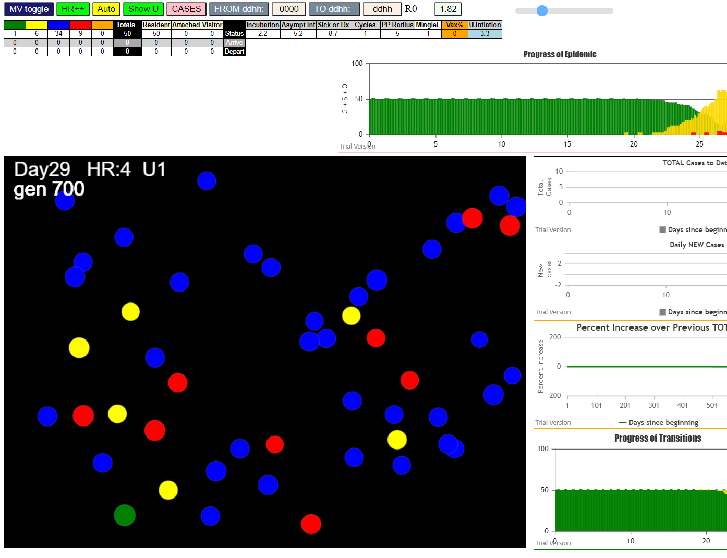

LTC being consumed!

3.3 all round - too aggressive

simulationClover.js:833 Sun Jan 10 2021 17:14:39 GMT-0800 (Pacific Standard Time)
simulationClover.js:834 CovidSIMVL Cloverdale U0+U8
simulationClover.js:4349 exit covidSim
simulationClover.js:23 getAsText File {name: "ltc50.csv", lastModified: 1610323270000, lastModifiedDate: Sun Jan 10 2021 16:01:10 GMT-0800 (Pacific Standard Time), webkitRelativePath: "", size: 3999, …}
simulationClover.js:32 File {name: "ltc50.csv", lastModified: 1610323270000, lastModifiedDate: Sun Jan 10 2021 16:01:10 GMT-0800 (Pacific Standard Time), webkitRelativePath: "", size: 3999, …}
simulationClover.js:23 getAsText File {name: "VL1.csv", lastModified: 1610305568000, lastModifiedDate: Sun Jan 10 2021 11:06:08 GMT-0800 (Pacific Standard Time), webkitRelativePath: "", size: 63, …}
simulationClover.js:32 File {name: "VL1.csv", lastModified: 1610305568000, lastModifiedDate: Sun Jan 10 2021 11:06:08 GMT-0800 (Pacific Standard Time), webkitRelativePath: "", size: 63, …}
simulationClover.js:1371 0 TURNED RED at gen 1 TOTAL 0
simulationClover.js:1749 inflate universe index 3.3 in U0
simulationClover.js:1749 inflate universe index 3.3 in U1
simulationClover.js:1749 inflate universe index 3.3 in U8
simulationClover.js:1628 Red Days changed to 8.5
simulationClover.js:2160 1I j:famKey 10:F10 infected by red i:famKey 0:-1 at gen 7 in Univ0 prob=0.779
simulationClover.js:2160 2I j:famKey 15:F15 infected by red i:famKey 0:-1 at gen 11 in Univ0 prob=0.133
simulationClover.js:2177 3I i:famKey 5:F05 infected by blue j:famKey 10:F10 at gen 109 in U0 prob=0.200
simulationClover.js:1371 15 TURNED RED at gen 125 TOTAL 0
simulationClover.js:1371 10 TURNED RED at gen 129 TOTAL 1
simulationClover.js:2177 4I i:famKey 7:F07 infected by red j:famKey 10:F10 at gen 176 in U0 prob=0.966
simulationClover.js:2177 5I i:famKey 13:F13 infected by red j:famKey 15:F15 at gen 179 in U0 prob=0.046
simulationClover.js:2160 6I j:famKey 17:F17 infected by yellow i:famKey 7:F07 at gen 181 in Univ0 prob=0.800
simulationClover.js:2177 7I i:famKey 22:F05 infected by blue j:famKey 5:F05 at gen 184 in U8 prob=0.885
simulationClover.js:2177 8I i:famKey 52:F15 infected by red j:famKey 15:F15 at gen 199 in U8 prob=0.688
simulationClover.js:2160 9I j:famKey 14:F14 infected by blue i:famKey 5:F05 at gen 204 in Univ0 prob=0.236
simulationClover.js:1371 5 TURNED RED at gen 227 TOTAL 0
simulationClover.js:2177 10I i:famKey 20:F05 infected by blue j:famKey 22:F05 at gen 236 in U8 prob=0.812
simulationClover.js:2160 11I j:famKey 6:F06 infected by red i:famKey 5:F05 at gen 250 in Univ0 prob=0.339
simulationClover.js:2177 12I i:famKey 2:F02 infected by blue j:famKey 14:F14 at gen 254 in U0 prob=0.954
simulationClover.js:2177 12I i:famKey 50:F15 infected by blue j:famKey 52:F15 at gen 255 in U8 prob=0.650
simulationClover.js:2177 14I i:famKey 56:F17 infected by blue j:famKey 17:F17 at gen 263 in U8 prob=0.041
simulationClover.js:2177 15I i:famKey 51:F15 infected by blue j:famKey 52:F15 at gen 265 in U8 prob=0.134
simulationClover.js:2177 16I i:famKey 9:F09 infected by blue j:famKey 17:F17 at gen 276 in U0 prob=0.873
simulationClover.js:2177 17I i:famKey 33:F09 infected by yellow j:famKey 9:F09 at gen 283 in U8 prob=0.752
simulationClover.js:1371 7 TURNED RED at gen 291 TOTAL 1
simulationClover.js:2177 18I i:famKey 57:F17 infected by blue j:famKey 17:F17 at gen 292 in U8 prob=0.805
simulationClover.js:2177 19I i:famKey 3:F03 infected by blue j:famKey 14:F14 at gen 299 in U0 prob=0.917
simulationClover.js:2177 20I i:famKey 12:F12 infected by blue j:famKey 17:F17 at gen 301 in U0 prob=0.675
simulationClover.js:1371 13 TURNED RED at gen 303 TOTAL 1
simulationClover.js:1371 22 TURNED RED at gen 303 TOTAL 1
simulationClover.js:1371 17 TURNED RED at gen 304 TOTAL 3
simulationClover.js:1371 14 TURNED RED at gen 319 TOTAL 4
simulationClover.js:2177 21I i:famKey 48:F14 infected by red j:famKey 14:F14 at gen 320 in U8 prob=0.483
simulationClover.js:1371 52 TURNED RED at gen 322 TOTAL 5
simulationClover.js:2177 22I i:famKey 8:F08 infected by red j:famKey 17:F17 at gen 325 in U0 prob=0.152
simulationClover.js:2160 23I j:famKey 18:F18 infected by red i:famKey 14:F14 at gen 328 in Univ0 prob=0.917
simulationClover.js:2160 23I j:famKey 4:F04 infected by red i:famKey 17:F17 at gen 329 in Univ0 prob=0.901
simulationClover.js:2177 25I i:famKey 27:F07 infected by red j:famKey 7:F07 at gen 335 in U8 prob=0.243
simulationClover.js:2160 26I j:famKey 11:F11 infected by red i:famKey 7:F07 at gen 349 in Univ0 prob=0.900
simulationClover.js:2160 26I j:famKey 19:F19 infected by red i:famKey 14:F14 at gen 349 in Univ0 prob=0.042
simulationClover.js:2177 28I i:famKey 24:F06 infected by blue j:famKey 6:F06 at gen 351 in U8 prob=0.652
simulationClover.js:1371 20 TURNED RED at gen 353 TOTAL 6
simulationClover.js:1371 6 TURNED RED at gen 364 TOTAL 7
simulationClover.js:1371 2 TURNED RED at gen 367 TOTAL 8
simulationClover.js:1371 50 TURNED RED at gen 368 TOTAL 9
simulationClover.js:2177 29I i:famKey 47:F14 infected by blue j:famKey 48:F14 at gen 378 in U8 prob=0.491
simulationClover.js:1371 56 TURNED RED at gen 379 TOTAL 6
simulationClover.js:1371 51 TURNED RED at gen 385 TOTAL 7
simulationClover.js:1371 33 TURNED RED at gen 396 TOTAL 7
simulationClover.js:2160 30I j:famKey 16:F16 infected by yellow i:famKey 11:F11 at gen 398 in Univ0 prob=0.413 |  |  | 30 infections, 12 in U8 - only want 6
simulationClover.js:1371 9 TURNED RED at gen 401 TOTAL 8
simulationClover.js:1371 57 TURNED RED at gen 410 TOTAL 8
simulationClover.js:1371 12 TURNED RED at gen 414 TOTAL 9
simulationClover.js:2177 31I i:famKey 76:-1 infected by blue j:famKey 27:F07 at gen 418 in U1 prob=0.925
simulationClover.js:2177 31I i:famKey 101:-1 infected by blue j:famKey 27:F07 at gen 418 in U1 prob=0.249
simulationClover.js:1371 3 TURNED RED at gen 421 TOTAL 10
simulationClover.js:2177 33I i:famKey 26:F07 infected by blue j:famKey 27:F07 at gen 426 in U8 prob=0.363
simulationClover.js:1371 48 TURNED RED at gen 438 TOTAL 11
simulationClover.js:1371 4 TURNED RED at gen 442 TOTAL 11
simulationClover.js:2160 34I j:famKey 49:F14 infected by red i:famKey 48:F14 at gen 445 in Univ8 prob=0.444
simulationClover.js:2177 35I i:famKey 32:F09 infected by red j:famKey 9:F09 at gen 449 in U8 prob=0.531
simulationClover.js:1371 8 TURNED RED at gen 450 TOTAL 10
simulationClover.js:1371 18 TURNED RED at gen 451 TOTAL 10
simulationClover.js:2177 36I i:famKey 29:F08 infected by red j:famKey 8:F08 at gen 454 in U8 prob=0.394
simulationClover.js:1371 27 TURNED RED at gen 457 TOTAL 10
simulationClover.js:2177 37I i:famKey 1:F01 infected by red j:famKey 4:F04 at gen 463 in U0 prob=0.556
simulationClover.js:1371 19 TURNED RED at gen 466 TOTAL 10
simulationClover.js:2160 38I j:famKey 88:-1 infected by yellow i:famKey 76:-1 at gen 466 in Univ1 prob=0.856
simulationClover.js:1371 11 TURNED RED at gen 467 TOTAL 11
simulationClover.js:2177 39I i:famKey 73:-1 infected by blue j:famKey 76:-1 at gen 469 in U1 prob=0.926
simulationClover.js:1371 24 TURNED RED at gen 471 TOTAL 11
simulationClover.js:2177 40I i:famKey 86:-1 infected by blue j:famKey 101:-1 at gen 472 in U1 prob=0.560
simulationClover.js:2160 41I j:famKey 106:-1 infected by blue i:famKey 76:-1 at gen 482 in Univ1 prob=0.585
simulationClover.js:2160 42I j:famKey 95:-1 infected by blue i:famKey 76:-1 at gen 488 in Univ1 prob=0.080
simulationClover.js:2160 42I j:famKey 89:-1 infected by blue i:famKey 76:-1 at gen 489 in Univ1 prob=0.901
simulationClover.js:2177 43I i:famKey 94:-1 infected by blue j:famKey 101:-1 at gen 490 in U1 prob=0.258
simulationClover.js:2177 45I i:famKey 87:-1 infected by yellow j:famKey 94:-1 at gen 492 in U1 prob=0.818
simulationClover.js:2160 46I j:famKey 102:-1 infected by blue i:famKey 76:-1 at gen 495 in Univ1 prob=0.465
simulationClover.js:1371 47 TURNED RED at gen 496 TOTAL 10
simulationClover.js:2160 46I j:famKey 109:-1 infected by blue i:famKey 101:-1 at gen 496 in Univ1 prob=0.422
simulationClover.js:2160 48I j:famKey 115:-1 infected by yellow i:famKey 86:-1 at gen 503 in Univ1 prob=0.127
simulationClover.js:2177 48I i:famKey 84:-1 infected by yellow j:famKey 86:-1 at gen 504 in U1 prob=0.988
simulationClover.js:2160 49I j:famKey 78:-1 infected by blue i:famKey 76:-1 at gen 505 in Univ1 prob=0.969
simulationClover.js:2160 49I j:famKey 96:-1 infected by yellow i:famKey 86:-1 at gen 505 in Univ1 prob=0.109
simulationClover.js:2160 50I j:famKey 98:-1 infected by yellow i:famKey 86:-1 at gen 506 in Univ1 prob=0.214
simulationClover.js:2177 52I i:famKey 62:F19 infected by red j:famKey 19:F19 at gen 507 in U8 prob=0.758
simulationClover.js:2160 54I j:famKey 104:-1 infected by yellow i:famKey 94:-1 at gen 512 in Univ1 prob=0.025
simulationClover.js:2177 55I i:famKey 91:-1 infected by blue j:famKey 101:-1 at gen 514 in U1 prob=0.366
simulationClover.js:2177 56I i:famKey 85:-1 infected by blue j:famKey 101:-1 at gen 517 in U1 prob=0.550
simulationClover.js:1371 16 TURNED RED at gen 518 TOTAL 7
simulationClover.js:2160 56I j:famKey 92:-1 infected by blue i:famKey 76:-1 at gen 518 in Univ1 prob=0.440
simulationClover.js:2177 58I i:famKey 72:-1 infected by blue j:famKey 86:-1 at gen 521 in U1 prob=0.782
simulationClover.js:2160 59I j:famKey 116:-1 infected by blue i:famKey 101:-1 at gen 524 in Univ1 prob=0.019
simulationClover.js:2177 59I i:famKey 71:-1 infected by blue j:famKey 73:-1 at gen 525 in U1 prob=0.314
simulationClover.js:2160 59I j:famKey 79:-1 infected by blue i:famKey 73:-1 at gen 525 in Univ1 prob=0.471
simulationClover.js:2160 60I j:famKey 30:F08 infected by blue i:famKey 29:F08 at gen 526 in Univ8 prob=0.563
simulationClover.js:2177 63I i:famKey 82:-1 infected by blue j:famKey 101:-1 at gen 529 in U1 prob=0.712
simulationClover.js:2160 64I j:famKey 111:-1 infected by blue i:famKey 86:-1 at gen 532 in Univ1 prob=0.557
simulationClover.js:2160 65I j:famKey 114:-1 infected by blue i:famKey 101:-1 at gen 535 in Univ1 prob=0.376
simulationClover.js:2160 66I j:famKey 113:-1 infected by blue i:famKey 73:-1 at gen 537 in Univ1 prob=0.422
simulationClover.js:2160 66I j:famKey 110:-1 infected by blue i:famKey 101:-1 at gen 537 in Univ1 prob=0.179
simulationClover.js:2160 66I j:famKey 117:-1 infected by blue i:famKey 88:-1 at gen 538 in Univ1 prob=0.032
simulationClover.js:1371 76 TURNED RED at gen 539 TOTAL 4
simulationClover.js:2177 69I i:famKey 93:-1 infected by blue j:famKey 106:-1 at gen 540 in U1 prob=0.326
simulationClover.js:1371 101 TURNED RED at gen 541 TOTAL 5
simulationClover.js:2177 69I i:famKey 80:-1 infected by yellow j:famKey 87:-1 at gen 541 in U1 prob=0.412
simulationClover.js:2160 69I j:famKey 119:-1 infected by yellow i:famKey 85:-1 at gen 541 in Univ1 prob=0.475
simulationClover.js:2160 72I j:famKey 100:-1 infected by red i:famKey 76:-1 at gen 546 in Univ1 prob=0.019
simulationClover.js:2177 72I i:famKey 77:-1 infected by blue j:famKey 88:-1 at gen 547 in U1 prob=0.095
...
simulationClover.js:833 Sun Jan 10 2021 17:14:39 GMT-0800 (Pacific Standard Time)
simulationClover.js:1371 107 TURNED RED at gen 690 TOTAL 37
simulationClover.js:1371 112 TURNED RED at gen 697 TOTAL 36
simulationClover.js:1371 74 TURNED RED at gen 699 TOTAL 37
simulationClover.js:1371 99 TURNED RED at gen 707 TOTAL 32
simulationClover.js:1371 63 TURNED RED at gen 710 TOTAL 31
simulationClover.js:2160 90I j:famKey 64:F19 infected by red i:famKey 63:F19 at gen 710 in Univ8 prob=0.739
simulationClover.js:1371 34 TURNED RED at gen 717 TOTAL 29
simulationClover.js:1371 75 TURNED RED at gen 719 TOTAL 28
simulationClover.js:1371 64 TURNED RED at gen 827 TOTAL 0

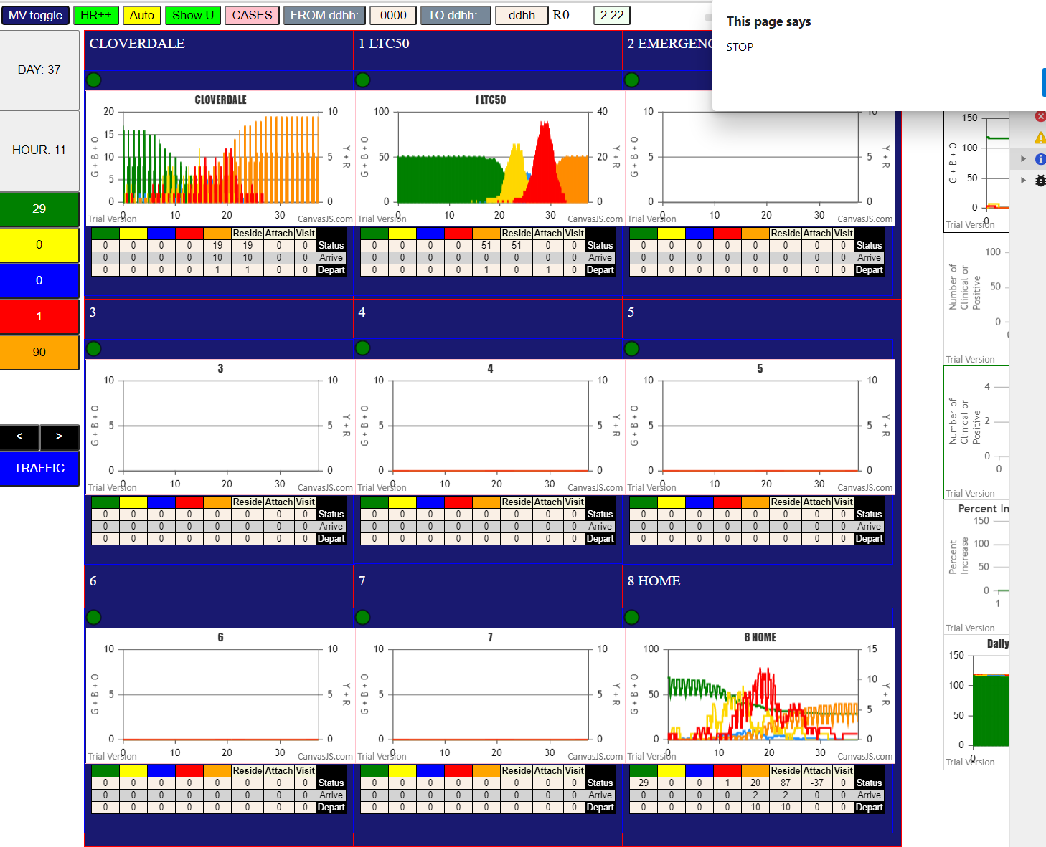

3.3 U0, 3.3U1 3 in U8, 3.3 red days
simulationClover.js:833 Sun Jan 10 2021 17:22:59 GMT-0800 (Pacific Standard Time)
simulationClover.js:834 CovidSIMVL Cloverdale U0+U8
simulationClover.js:4349 exit covidSim
simulationClover.js:23 getAsText File {name: "ltc50.csv", lastModified: 1610323270000, lastModifiedDate: Sun Jan 10 2021 16:01:10 GMT-0800 (Pacific Standard Time), webkitRelativePath: "", size: 3999, …}
simulationClover.js:32 File {name: "ltc50.csv", lastModified: 1610323270000, lastModifiedDate: Sun Jan 10 2021 16:01:10 GMT-0800 (Pacific Standard Time), webkitRelativePath: "", size: 3999, …}
...
simulationClover.js:2177 26I i:famKey 102:-1 infected by yellow j:famKey 103:-1 at gen 383 in U1 prob=0.766
simulationClover.js:2160 27I j:famKey 17:F17 infected by blue i:famKey 12:F12 at gen 396 in Univ0 prob=0.552
simulationClover.js:2177 27I i:famKey 15:F15 infected by red j:famKey 18:F18 at gen 396 in U0 prob=0.573
simulationClover.js:1371 12 TURNED RED at gen 400 TOTAL 3

27 infections to gen 396
8 in U1 - so 19 of which 11 are symptomatic
4 in U8 (we want 6)
so?

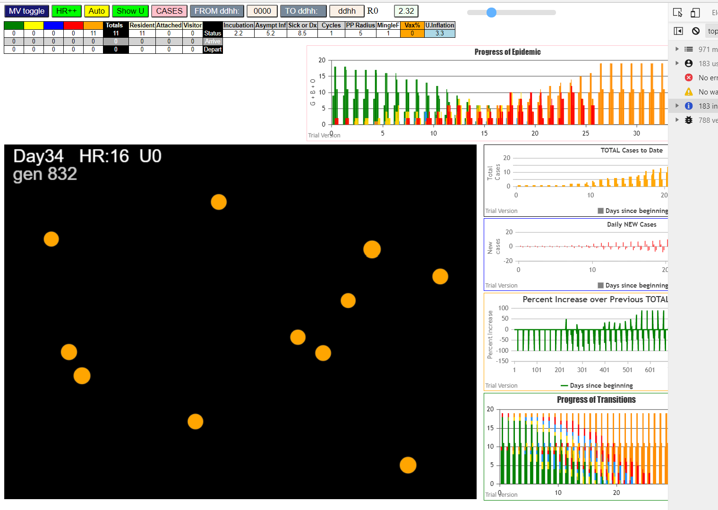

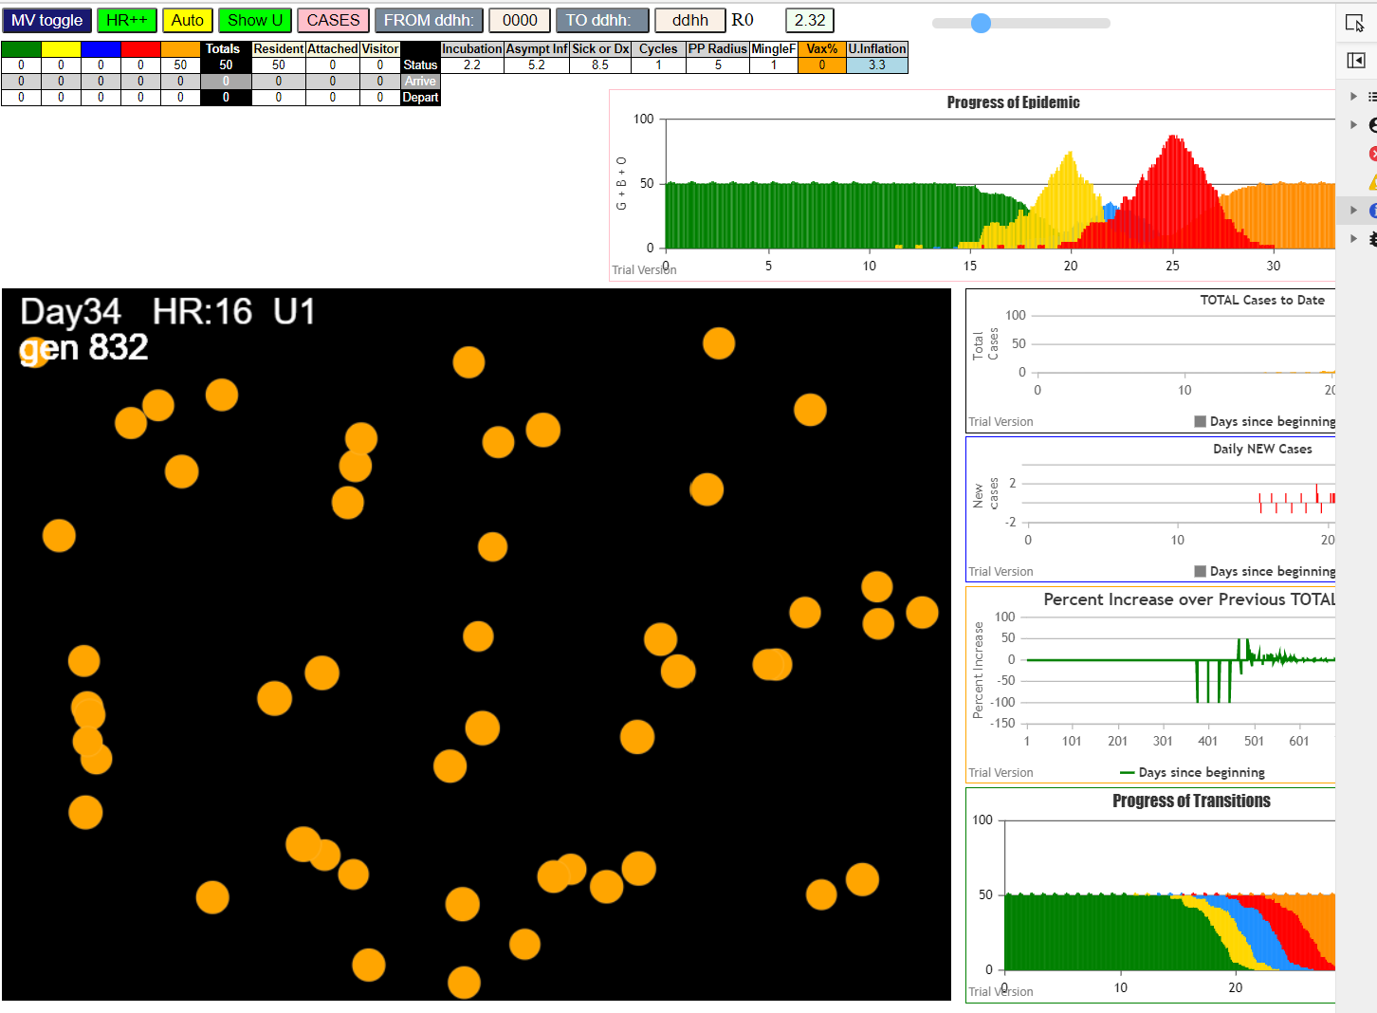

3.25 U0, 3.2 U8, 3.25 U1, 3.3 red days

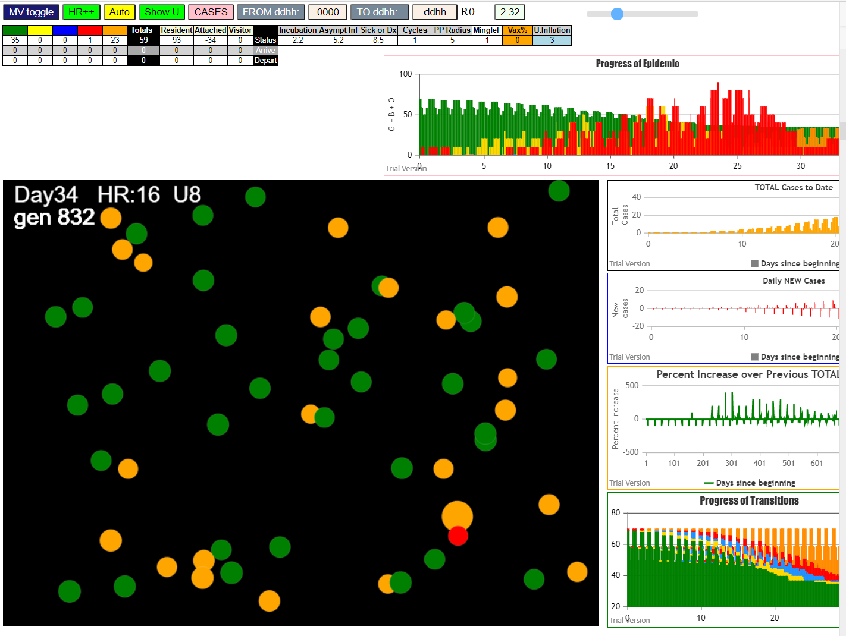

last one standing see below is 50, but this is the last family member - the rest [13,49,51] already turned orange, so 50 cannot infect any one else
simulationClover.js:833 Sun Jan 10 2021 17:22:59 GMT-0800 (Pacific Standard Time)
simulationClover.js:834 CovidSIMVL Cloverdale U0+U8
simulationClover.js:4349 exit covidSim
simulationClover.js:23 getAsText File {name: "ltc50.csv", lastModified: 1610323270000, lastModifiedDate: Sun Jan 10 2021 16:01:10 GMT-0800 (Pacific Standard Time), webkitRelativePath: "", size: 3999, …}
simulationClover.js:32 File {name: "ltc50.csv", lastModified: 1610323270000, lastModifiedDate: Sun Jan 10 2021 16:01:10 GMT-0800 (Pacific Standard Time), webkitRelativePath: "", size: 3999, …}
simulationClover.js:23 getAsText File {name: "VL1.csv", lastModified: 1610305568000, lastModifiedDate: Sun Jan 10 2021 11:06:08 GMT-0800 (Pacific Standard Time), webkitRelativePath: "", size: 63, …}
simulationClover.js:32 File {name: "VL1.csv", lastModified: 1610305568000, lastModifiedDate: Sun Jan 10 2021 11:06:08 GMT-0800 (Pacific Standard Time), webkitRelativePath: "", size: 63, …}
simulationClover.js:1371 0 TURNED RED at gen 1 TOTAL 0
...
simulationClover.js:833 Sun Jan 10 2021 17:41:46 GMT-0800 (Pacific Standard Time)
simulationClover.js:2177 43I i:famKey 75:-1 infected by blue j:famKey 92:-1 at gen 387 in U1 prob=0.561
simulationClover.js:2177 45I i:famKey 113:-1 infected by blue j:famKey 115:-1 at gen 392 in U1 prob=0.436
simulationClover.js:2177 45I i:famKey 118:-1 infected by red j:famKey 30:F08 at gen 392 in U1 prob=0.449
simulationClover.js:2177 47I i:famKey 6:F06 infected by red j:famKey 10:F10 at gen 394 in U0 prob=0.037
simulationClover.js:2177 47I i:famKey 71:-1 infected by blue j:famKey 115:-1 at gen 395 in U1 prob=0.668
simulationClover.js:2177 47I i:famKey 97:-1 infected by blue j:famKey 102:-1 at gen 395 in U1 prob=0.091
simulationClover.js:2177 48I i:famKey 109:-1 infected by red j:famKey 30:F08 at gen 396 in U1 prob=0.809
simulationClover.js:2160 50I j:famKey 112:-1 infected by blue i:famKey 80:-1 at gen 397 in Univ1 prob=0.077
simulationClover.js:2160 52I j:famKey 100:-1 infected by blue i:famKey 91:-1 at gen 400 in Univ1 prob=0.674

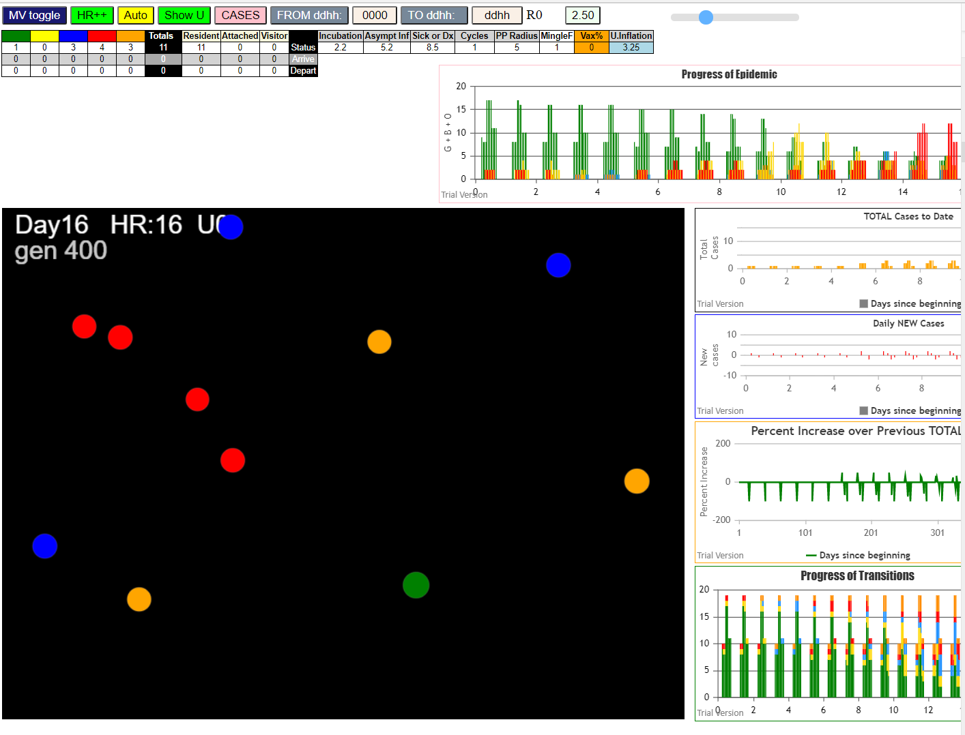

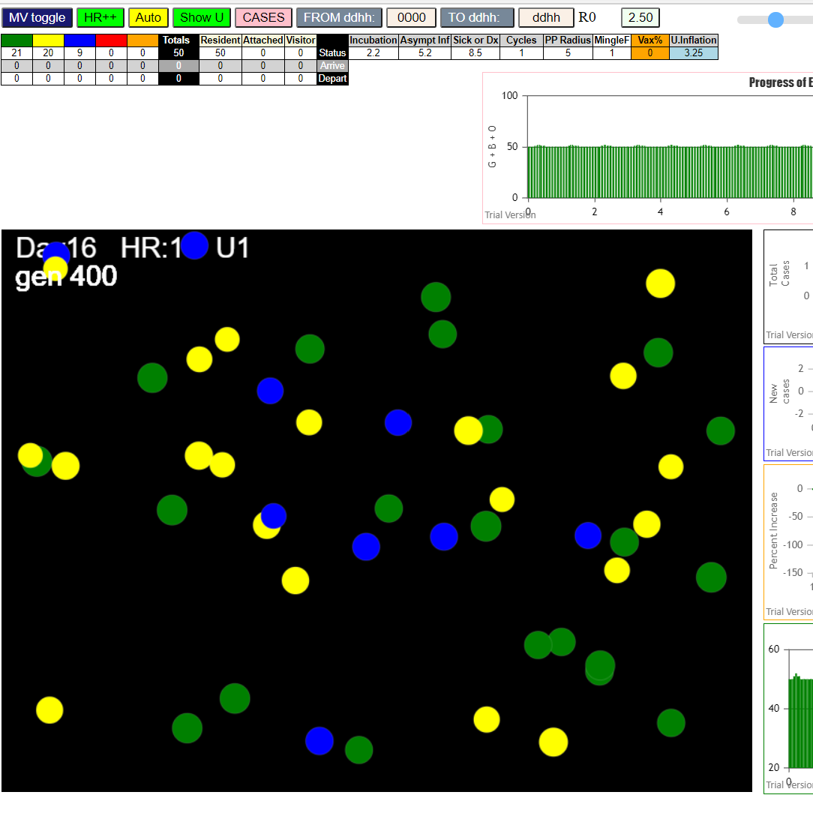

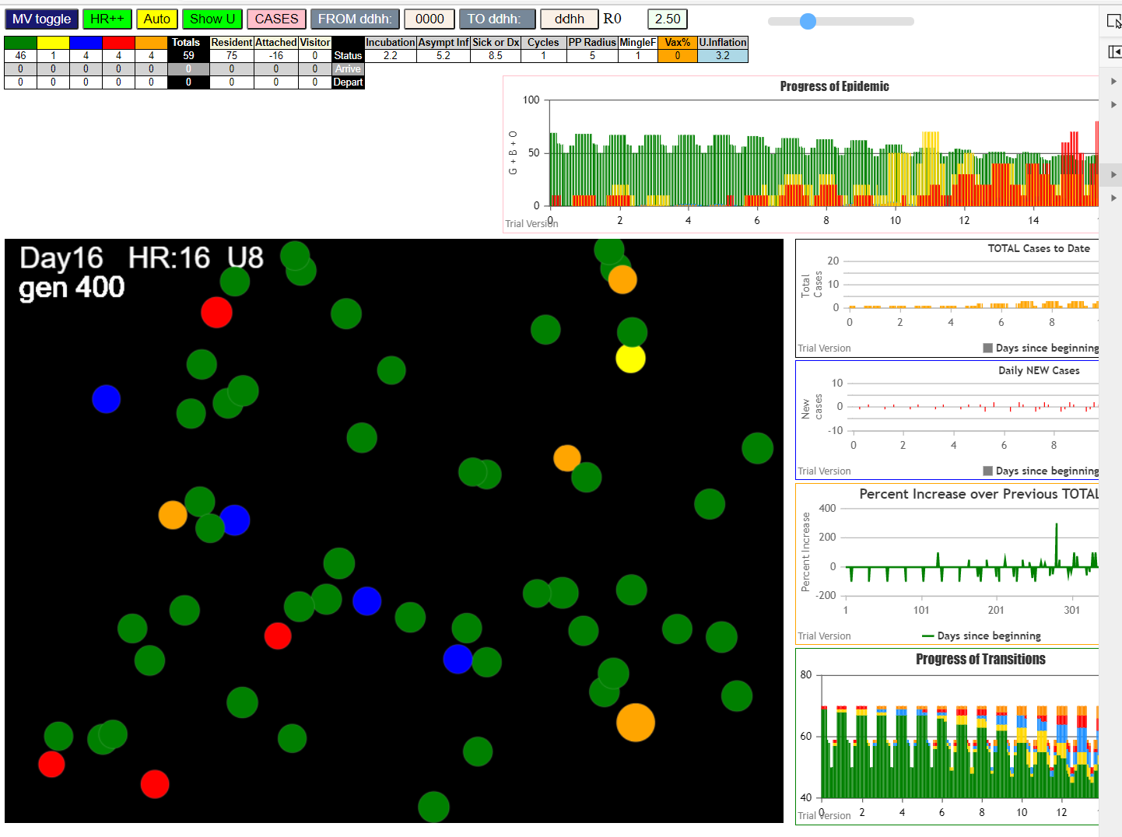

continuing

simulationClover.js:833 Sun Jan 10 2021 17:41:46 GMT-0800 (Pacific Standard Time)
simulationClover.js:834 CovidSIMVL Cloverdale U0+U8
simulationClover.js:4349 exit covidSim
simulationClover.js:23 getAsText File {name: "ltc50.csv", lastModified: 1610323270000, lastModifiedDate: Sun Jan 10 2021 16:01:10 GMT-0800 (Pacific Standard Time), webkitRelativePath: "", size: 3999, …}
simulationClover.js:32 File {name: "ltc50.csv", lastModified: 1610323270000, lastModifiedDate: Sun Jan 10 2021 16:01:10 GMT-0800 (Pacific Standard Time), webkitRelativePath: "", size: 3999, …}
simulationClover.js:23 getAsText File {name: "VL1.csv", lastModified: 1610305568000, lastModifiedDate: Sun Jan 10 2021 11:06:08 GMT-0800 (Pacific Standard Time), webkitRelativePath: "", size: 63, …}
simulationClover.js:32 File {name: "VL1.csv", lastModified: 1610305568000, lastModifiedDate: Sun Jan 10 2021 11:06:08 GMT-0800 (Pacific Standard Time), webkitRelativePath: "", size: 63, …}
...
simulationClover.js:2160 83I j:famKey 58:F17 infected by red i:famKey 57:F17 at gen 609 in Univ8 prob=0.438
simulationClover.js:1371 47 TURNED RED at gen 649 TOTAL 2
simulationClover.js:1371 26 TURNED RED at gen 690 TOTAL 1
simulationClover.js:1371 34 TURNED RED at gen 694 TOTAL 2
simulationClover.js:1371 32 TURNED RED at gen 697 TOTAL 3
simulationClover.js:1371 27 TURNED RED at gen 704 TOTAL 4
simulationClover.js:1371 58 TURNED RED at gen 731 TOTAL 4
simulationClover.js:2160 84I j:famKey 33:F09 infected by red i:famKey 32:F09 at gen 772 in Univ8 prob=0.516
simulationClover.js:1371 33 TURNED RED at gen 891 TOTAL 0

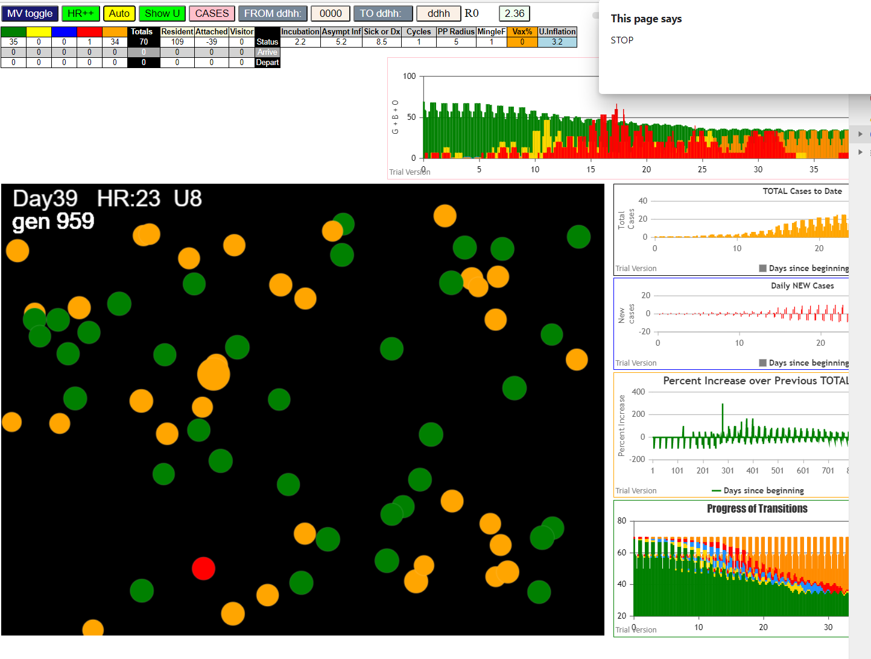

 | last try 3.2 all around except for rd 3.5

simulationClover.js:833 Sun Jan 10 2021 17:54:24 GMT-0800 (Pacific Standard Time)
simulationClover.js:834 CovidSIMVL Cloverdale U0+U8
simulationClover.js:4349 exit covidSim
simulationClover.js:23 getAsText File {name: "ltc50.csv", lastModified: 1610323270000, lastModifiedDate: Sun Jan 10 2021 16:01:10 GMT-0800 (Pacific Standard Time), webkitRelativePath: "", size: 3999, …}
simulationClover.js:32 File {name: "ltc50.csv", lastModified: 1610323270000, lastModifiedDate: Sun Jan 10 2021 16:01:10 GMT-0800 (Pacific Standard Time), webkitRelativePath: "", size: 3999, …}
simulationClover.js:23 getAsText File {name: "VL1.csv", lastModified: 1610305568000, lastModifiedDate: Sun Jan 10 2021 11:06:08 GMT-0800 (Pacific Standard Time), webkitRelativePath: "", size: 63, …}
...

Summary with ED
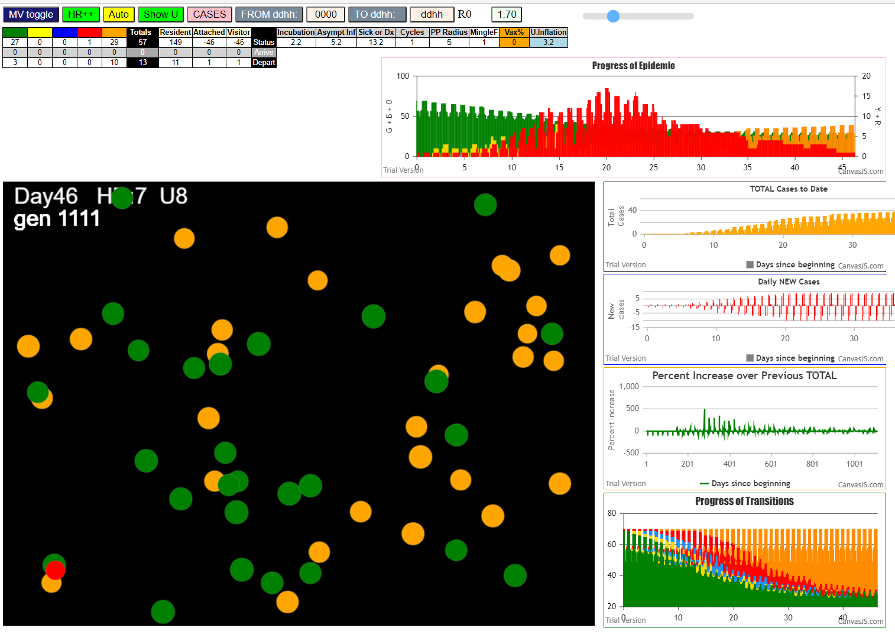
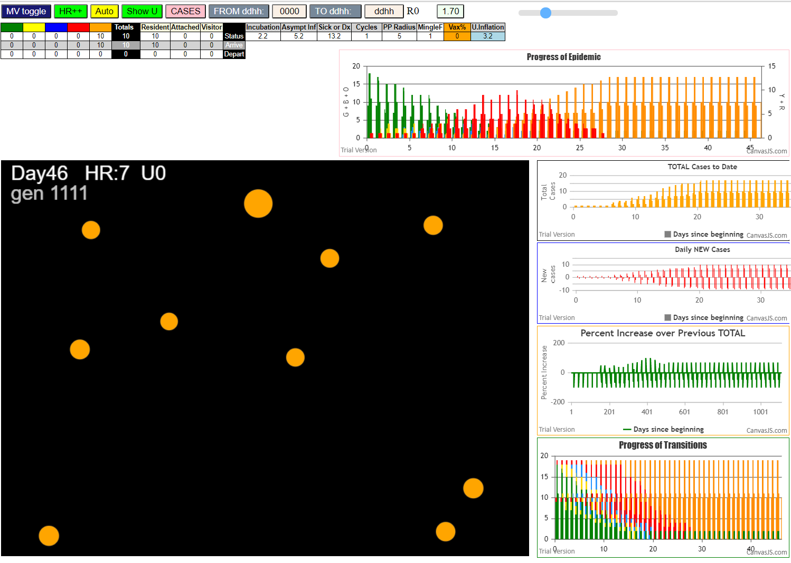
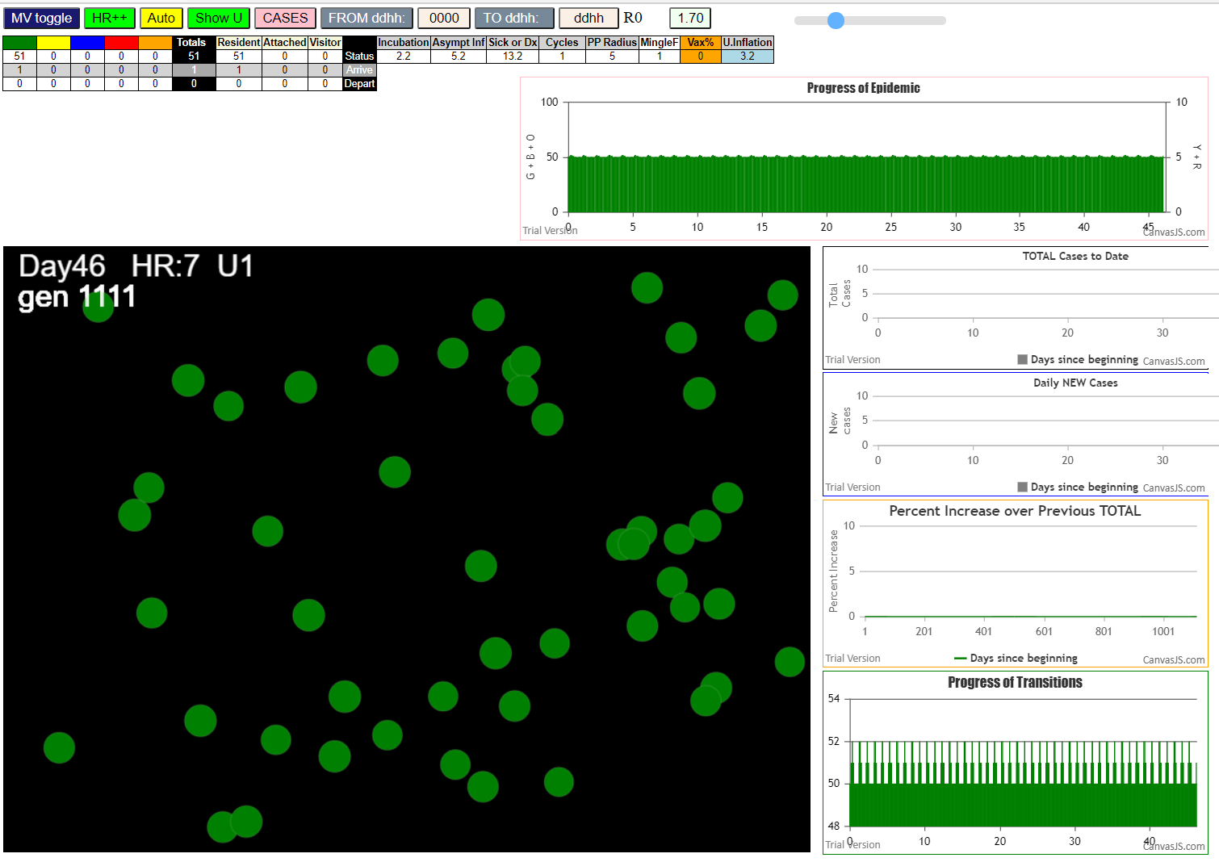
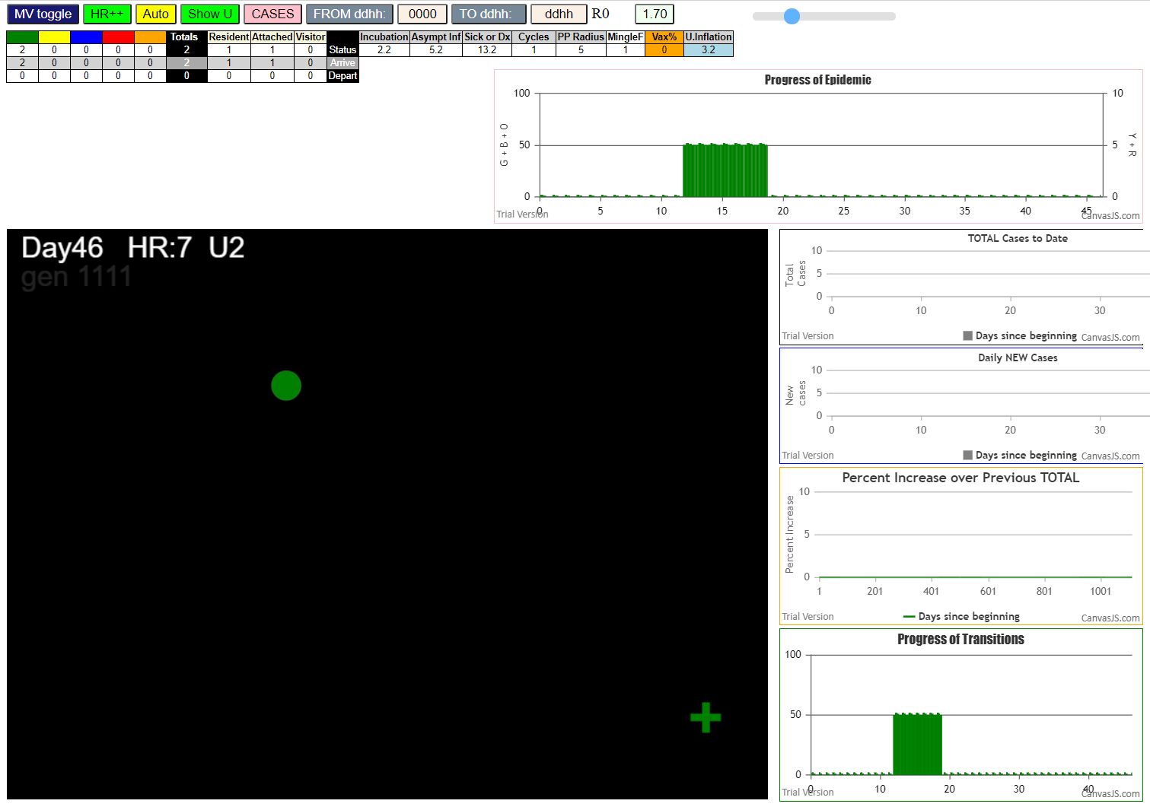
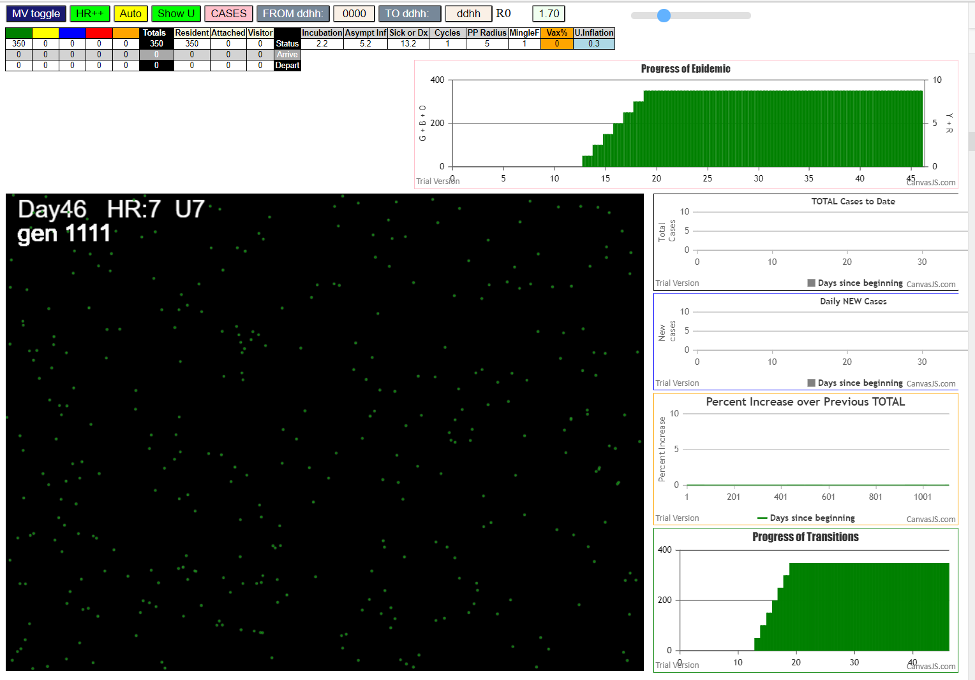
...
simulationClover.js:833 Mon Jan 11 2021 15:06:47 GMT-0800 (Pacific Standard Time)
simulationClover.js:2177 36I i:famKey 41:F12 infected by red j:famKey 42:F12 at gen 681 in U8 prob=0.226
simulationClover.js:1371 44 TURNED RED at gen 731 TOTAL 6
simulationClover.js:2160 37I j:famKey 24:F06 infected by red i:famKey 23:F06 at gen 740 in Univ8 prob=0.411
simulationClover.js:2160 38I j:famKey 52:F15 infected by red i:famKey 51:F15 at gen 747 in Univ8 prob=0.493
simulationClover.js:1371 41 TURNED RED at gen 806 TOTAL 5
simulationClover.js:1371 52 TURNED RED at gen 862 TOTAL 2
simulationClover.js:1371 24 TURNED RED at gen 864 TOTAL 3
simulationClover.js:2160 39I j:famKey 43:F12 infected by red i:famKey 41:F12 at gen 881 in Univ8 prob=0.869
simulationClover.js:1371 43 TURNED RED at gen 997 TOTAL 2

